National Grid History
National Grid (Boston Gas) Rates for Residential Heating Customers -- $ per Therm
 | Gas Supply | Base Distribution | Energy Efficiency | Low Income Assistance | Gas System Enhancement | All other Policy | All policy charges (bulk)* | Total
2016 Peak (Jan 1) | 0.4750 | 0.4534 | - | - | - | - | 0.2869 | 1.2153
2016 Off (July 1) | 0.2900 | 0.2575 | - | - | - | - | 0.2892 | 0.8367
2017 Peak (Jan 1) | 0.4354 | 0.5242 | - | - | - | - | 0.3304 | 1.2900
2017 Off (July 1) | 0.4210 | 0.2660 | - | - | - | - | 0.3494 | 1.0364
2018 Peak (Jan 1) | 0.6260 | 0.5160 | - | - | - | - | 0.3418 | 1.4838
2018 Off (July 1) | 0.3547 | 0.2740 | - | - | - | - | 0.3615 | 0.9902
2019 Peak (Jan 1) | 0.6025 | 0.5920 | - | - | - | - | 0.3138 | 1.5083
2019 Off (July 1) | 0.3522 | 0.7595 | 0.1323 | 0.0276 | 0.0407 | 0.0696 | - | 1.3819
2020 Peak (Jan 1) | 0.6046 | 0.5729 | 0.1486 | 0.0182 | 0.0417 | 0.0098 | - | 1.3958
2020 Off (July 1) | 0.2842 | 0.2794 | 0.1486 | 0.0182 | 0.0738 | 0.0098 | - | 0.8140
2021 Peak (Jan 1) | 0.5867 | 0.6141 | 0.1793 | 0.0228 | 0.0768 | 0.0202 | - | 1.4999
2021 Off (July 1) | 0.3895 | 0.3006 | 0.1793 | 0.0228 | 0.0992 | 0.0202 | - | 1.0116
2022 Peak (Jan 1) | 0.7345 | 0.6987 | 0.2330 | 0.0338 | 0.0735 | 0.0222 | - | 1.7957
2022 Off (July 1) | 1.0487 | 0.3767 | 0.2330 | 0.0338 | 0.0754 | 0.0222 | - | 1.7898
2023 Peak (Jan 1) | 0.9870 | 0.8268 | 0.2782 | 0.0502 | 0.0986 | 0.0090 | - | 2.2498
2023 Off (July 1) | 0.2273 | 0.4784 | 0.2782 | 0.0502 | 0.1422 | 0.0090 | - | 1.1853
2024 Peak (Jan 1) | 0.8122 | 0.9537 | 0.3008 | 0.0468 | 0.1187 | 0.0083 | - | 2.2405
2024 Off (July 1) | 0.3816 | 0.4991 | 0.3008 | 0.0468 | 0.1628 | (0.0243) | - | 1.3668
2025 Peak (Jan 1) | 0.8467 | 0.9800 | 0.4676 | 0.0699 | 0.1644 | (0.0339) | - | 2.4947

Eversource vs NGrid
National Grid (Boston Gas) vs. Eversource (NSTAR, Cambridge) Rates for Residential Heating Customers -- $ per Therm
 | Gas Supply | Base Distribution | Energy Efficiency | Low income assistance | Gas system enhancement | All other policy | Total per therm
National Grid, Jan 24 | $0.8122 | $0.9537 | $0.3008 | $0.0468 | $0.1187 | $0.0083 | $2.2405
National Grid, Jan 25 | $0.8467 | $0.9800 | $0.4676 | $0.0699 | $0.1644 | $(0.0339) | $2.4947
Eversource, Jan 24 | $0.6712 | $0.7277 | $0.2957 | $0.0532 | $0.1557 | $(0.0013) | $1.9022
Eversource, Jan 25 | $0.7639 | $0.7334 | $0.5702 | $0.0561 | $0.2066 | $0.0439 | $2.3741

Boston Gas Res Heat GAF
Extracting from the source to the right, the offpeak and peak rates for residential |  |  |  |  | National Grid Boston Gas, Gas Adjustment Factor
 |  |  |  |  | Downloaded on March 2, 2025 from https://www.nationalgridus.com/MA-Gas-Home/Supply-Costs/
Effective Date | GAF Residential | Date | GAF in effect |  | https://www.nationalgridus.com/media/pdfs/billing-payments/gas-rates/mag/mag-gas-adjustment-factors.pdf
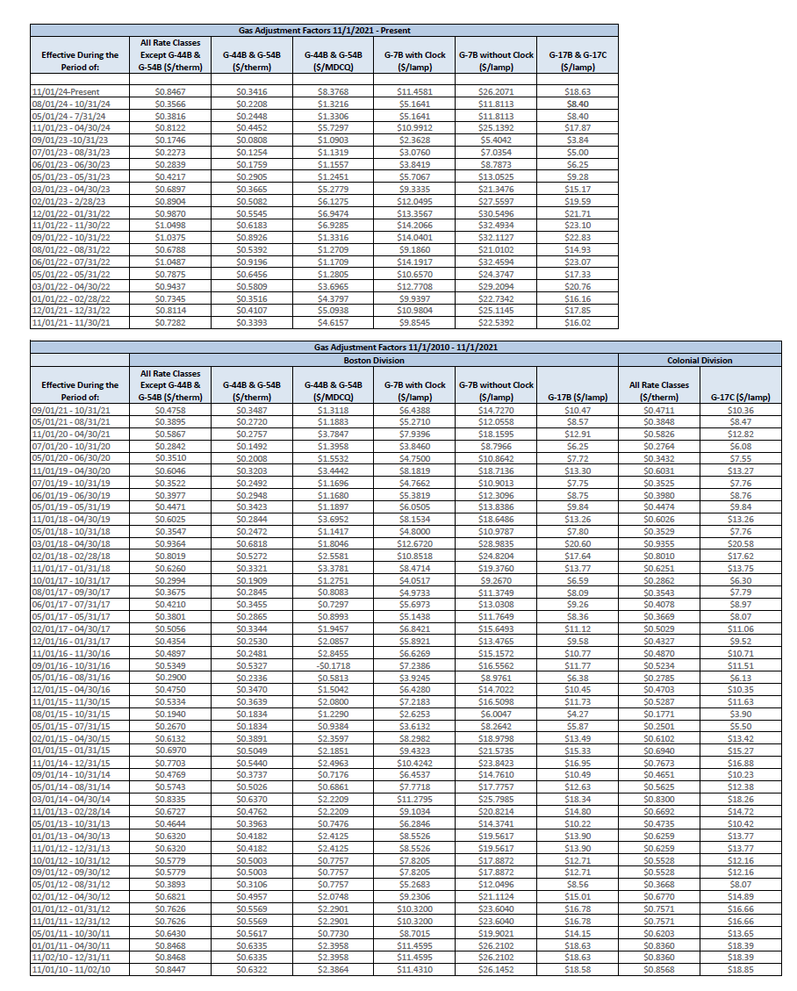
2010-11-01 | $0.84470 | 2016-01-01 | 0.4750
2010-11-02 | $0.84680 | 2016-07-01 | 0.2900
2011-01-01 | $0.84680 | 2017-01-01 | 0.4354
2011-05-01 | $0.64300 | 2017-07-01 | 0.4210
2011-11-01 | $0.76260 | 2018-01-01 | 0.6260
2012-01-01 | $0.76260 | 2018-07-01 | 0.3547
2012-02-01 | $0.68210 | 2019-01-01 | 0.6025
2012-05-01 | $0.38930 | 2019-07-01 | 0.3522
2012-09-01 | $0.57790 | 2020-01-01 | 0.6046
2012-10-01 | $0.57790 | 2020-07-01 | 0.2842
2012-11-01 | $0.63200 | 2021-01-01 | 0.5867
2013-01-01 | $0.63200 | 2021-07-01 | 0.3895
2013-05-01 | $0.46440 | 2022-01-01 | 0.7345
2013-11-01 | $0.67270 | 2022-07-01 | 1.0487
2014-03-01 | $0.83350 | 2023-01-01 | 0.9870 | Note,apparent typo in rate schedule, 12/1/22 to 1/31/22 should say 1/13/23
2014-05-01 | $0.57430 | 2023-07-01 | 0.2273
2014-09-01 | $0.47690 | 2024-01-01 | 0.8122
2014-11-01 | $0.77030 | 2024-07-01 | 0.3816
2015-01-01 | $0.69700 | 2025-01-01 | 0.8467
2015-02-01 | $0.61320
2015-05-01 | $0.26700
2015-08-01 | $0.19400
2015-11-01 | $0.53340
2015-12-01 | $0.47500
2016-05-01 | $0.29000
2016-09-01 | $0.53490
2016-11-01 | $0.48970
2016-12-01 | $0.43540
2017-02-01 | $0.50560
2017-05-01 | $0.38010
2017-06-01 | $0.42100
2017-08-01 | $0.36750
2017-10-01 | $0.29940
2017-11-01 | $0.62600
2018-02-01 | $0.80190
2018-03-01 | $0.93640
2018-05-01 | $0.35470
2018-11-01 | $0.60250
2019-05-01 | $0.44710
2019-06-01 | $0.39770
2019-07-01 | $0.35220
2019-11-01 | $0.60460
2020-05-01 | $0.35100
2020-07-01 | $0.28420
2020-11-01 | $0.58670
2021-05-01 | $0.38950
2021-09-01 | $0.47580
2021-11-01 | $0.72820
2021-12-01 | $0.81140
2022-01-01 | $0.73450
2022-03-01 | $0.94370
2022-05-01 | $0.78750
2022-06-01 | $1.04870
2022-08-01 | $0.67880
2022-09-01 | $1.03750
2022-11-01 | $1.04980
2022-12-01 | $0.98700
2023-02-01 | $0.89040
2023-03-01 | $0.68970
2023-05-01 | $0.42170
2023-06-01 | $0.28390
2023-07-01 | $0.22730
2023-09-01 | $0.17460
2023-11-01 | $0.81220
2024-05-01 | $0.38160
2024-08-01 | $0.35660
2024-11-01 | $0.84670
All | G-44B
All | G-17C
Boston | Division
Colonial | Division
Effective | All
G-17B | All
G-17C | $44,440.00000
G-44B | G-44B
G-44B | G-7B
G-7B | G-7B | 2021-11-01 | -
G-7B | G-17B | 2010-11-01 | -
Gas | Adjustment
Gas | Adjustment

NSTAR LDAC 25
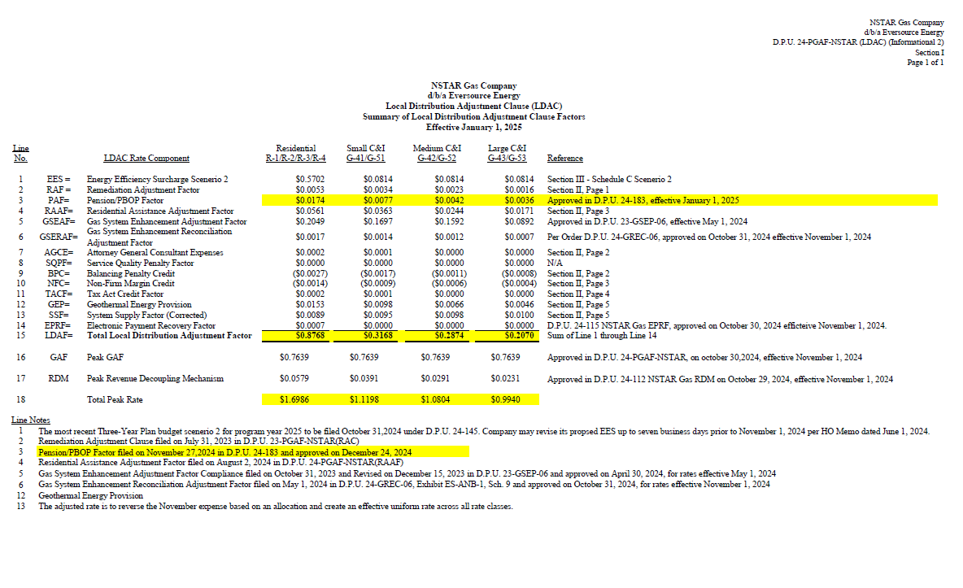

https://eeaonline.eea.state.ma.us/DPU/Fileroom/dockets/bynumber/24-PGAF-NSTAR
https://fileservice.eea.comacloud.net/FileService.Api/file/FileRoom/19880973
https://fileservice.eea.comacloud.net/FileService.Api/file/FileRoom/19880974
Gas Adjustment Filing |  | NSTAR Gas Company d/b/a Eversource Energy |  |  | 24-PGAF-NSTAR
NSTAR Gas Company
d/b/a Eversource Energy
Local Distribution Adjustment Clause (LDAC)
Summary of Local Distribution Adjustment Clause Factors
Effective January 1, 2025

Line |  |  |  | Residential | Small C&I | Medium C&I |  | Large C&I
No. | LDAC Rate Component |  |  | R-1/R-2/R-3/R-4 | G-41/G-51 | G-42/G-52 |  | G-43/G-53 | Reference

1 | EES = |  | Energy Efficiency Surcharge Scenerio 2 | $0.5702 | $0.0814 | $0.0814 |  | $0.0814 | Section III - Schedule C Scenerio 2
2 | RAF = |  | Remediation Adjustment Factor | $0.0053 | $0.0034 | $0.0023 |  | $0.0016 | Section II, Page 1
3 | PAF= |  | Pension/PBOP Factor | $0.0174 | $0.0077 | $0.0042 |  | $0.0036 | Approved in D.P.U. 24-183, effective January 1, 2025
4 | RAAF= |  | Residential Assistance Adjustment Factor | $0.0561 | $0.0363 | $0.0244 |  | $0.0171 | Section II, Page 3
5 | GSEAF= |  | Gas System Enhancement Adjustment Factor | $0.2049 | $0.1697 | $0.1592 |  | $0.0892 | Approved in D.P.U. 23-GSEP-06, effective May 1, 2024
6 | GSERAF= |  | Gas System Enhancement Reconciliation Adjustment Factor | $0.0017 | $0.0014 | $0.0012 |  | $0.0007 | Per Order D.P.U. 24-GREC-06, approved on October 31, 2024 effective November 1, 2024
7 | AGCE= |  | Attorney General Consultant Expenses | $0.0002 | $0.0001 | $0.0000 |  | $0.0000 | Section II, Page 2
8 | SQPF= |  | Service Quality Penalty Factor | $0.0000 | $0.0000 | $0.0000 |  | $0.0000 | N/A
9 | BPC= |  | Balancing Penalty Credit | ($0.0027) | ($0.0017) | ($0.0011) |  | ($0.0008) | Section II, Page 2
10 | NFC= |  | Non-Firm Margin Credit | ($0.0014) | ($0.0009) | ($0.0006) |  | ($0.0004) | Section II, Page 3
11 | TACF= |  | Tax Act Credit Factor | $0.0002 | $0.0001 | $0.0000 |  | $0.0000 | Section II, Page 4
12 | GEP= |  | Geothermal Energy Provision | $0.0153 | $0.0098 | $0.0066 |  | $0.0046 | Section II, Page 5
13 | SSF= |  | System Supply Factor (Corrected) | $0.0089 | $0.0095 | $0.0098 |  | $0.0100 | Section II, Page 5
14 | EPRF= |  | Electronic Payment Recovery Factor | $0.0007 | $0.0000 | $0.0000 |  | $0.0000 | D.P.U. 24-115 NSTAR Gas EPRF, approved on October 30, 2024 efficteive November 1, 2024.
15 | LDAF= |  | Total Local Distribution Adjustment Factor | $0.8768 | $0.3168 | $0.2874 |  | $0.2070 | Sum of Line 1 through Line 14

16 | GAF |  | Peak GAF | $0.7639 | $0.7639 | $0.7639 |  | $0.7639 | Approved in D.P.U. 24-PGAF-NSTAR, on october 30,2024, effective November 1, 2024

17 | RDM |  | Peak Revenue Decoupling Mechanism | $0.0579 | $0.0391 | $0.0291 | $0.0231 | $0.0231 | Approved in D.P.U. 24-112 NSTAR Gas RDM on October 29, 2024, effective November 1, 2024

18 |  |  | Total Peak Rate | $1.6986 | $1.1198 | $1.0804 |  | $0.9940

Line Notes
1 | The most recent Three-Year Plan budget scenerio 2 for program year 2025 to be filed October 31,2024 under D.P.U. 24-145. Company may revise its propsed EES up to seven business days prior to November 1, 2024 per HO Memo dated June 1, 2024.
2 | Remediation Adjustment Clause filed on July 31, 2023 in D.P.U. 23-PGAF-NSTAR(RAC)
3 | Pension/PBOP Factor filed on November 27,2024 in D.P.U. 24-183 and approved on December 24, 2024
4 | Residential Assistance Adjustment Factor filed on August 2, 2024 in D.P.U. 24-PGAF-NSTAR(RAAF)
5 | Gas System Enhancement Adjustment Factor Compliance filed on October 31, 2023 and Revised on December 15, 2023 in D.P.U. 23-GSEP-06 and approved on April 30, 2024, for rates effective May 1, 2024
6 | Gas System Enhancement Reconciliation Adjustment Factor filed on May 1, 2024 in D.P.U. 24-GREC-06, Exhibit ES-ANB-1, Sch. 9 and approved on October 31, 2024, for rates effective November 1, 2024
12 | Geothermal Energy Provision
13 | The adjusted rate is to reverse the November expense based on an allocation and create an effective uniform rate across all rate classes.

Chart Bill Impact
Annual contribution to Mass Save at January 1, 2025 Rates based on Typical Home with Gas Heat
 | Gas Energy Efficiency Charge | Electric Energy Efficiency Charge
Belmont Gas Customer | $420.84 | $0.00
Boston or Watertown Gas Customer | $420.84 | $197.86
Cambridge Gas Customer | $513.18 | $197.86

Efficiency Charge Bill Impact
 | January 2025 Efficiency Charges | Annual from usage study | Annual from Bill Impacts
Eversource N-Star Gas per therm | 0.5702 | 498.24076 | 513.18
National Grid Boston per therm | $0.4676 | $408.59 | $420.8
Eversource east per kwh | $0.0311 | $90.41 | $197.9

 | Gas Energy Efficiency Charge | Electric Energy Efficiency Charge | Total Mass Save
Belmont Gas Customer | $420.84 | 0 | $420.84
Boston or Watertown Gas Customer | $420.84 | $197.86 | $618.70
Cambridge Gas Customer | 513.18 | $197.86 | $711.04

From Phase 7, Table 2.5, Annual Demand per home, therms/yr
Gas Boiler | 740 |  | Use from Bill Impact Analysis
Furnace | 569 |  | 780.92 | NGrid R3
Water heater | 118 |  | 914 | Eversource R3
Clothes Dryers | 35.9 |  | 900 | Round to 900
All other | 15.8
Assume Boiler and use all other | 873.8
This is a little above 12 month
Table 2
Room air conditioner | 624
Boiler Distribution | 269
Water heater natural gas | 42 |  |  |  | Alt a
Primary Fridge | 620
Clothes dryer Elec | 648
Dishwasher | 122
Primary TV | 342
Secondary TVB | 239
OMITTING LIGHTING AND ALL OTHER, GET | 2906 |  | 6360 | Eversource Elect R1

Historical EE; see also projected in BillImpacts tabs
R1 Total EEC, Bost | https://www.eversource.com/content/residential/account-billing/manage-bill/about-your-bill/rates-tariffs/electric-delivery-rates/electric-delivery-rates-archive
Jan 1 2023 | 0.02254
Apr 1 2023 | 0.02254
Jly 1 2023 | 0.02334
October 1 2023 | 0.02334
Jan 1 2024 | 0.02334
May 1 2024 | 0.02334
July 12024 | 0.03111
Aug1 2024 | 0.03111
Jan 1 2025 | 0.03111

National Grid Rates, R3B
1-Nov-22 | 0.2782
1-May-23 | 0.2782
1-Oct-23 | 0.2782
1-Nov-23 | 0.3008
1-Apr-24 | 0.3008
1-May-24 | 0.3008
1-Oct-24 | 0.233
1-Nov-24 | 0.4676
LDAC Unchanged as of Feb 1 rate

Residential Building Use and Equipment Characterization Study, Phase 7

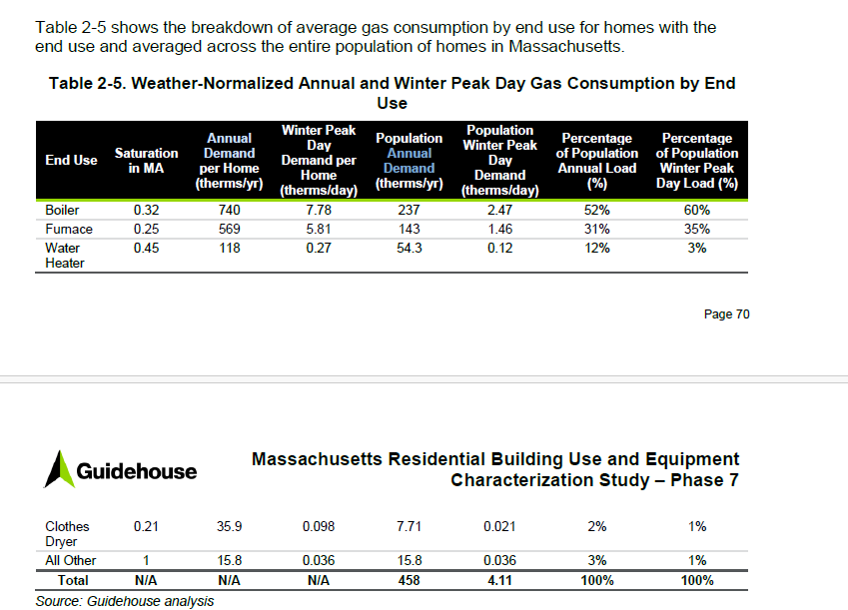

Mass Save Budget
Copy of BudgetHistorical Tab from Appendix C, Statewide Tables, Attachment to filing of three year plan
Exhibit 1, 2025-2027 Three-Year Plan with Appendices
25-27 Three Year Plan, Statewide Initial Filing
DPU 24-140 - DPU 24-149, 25-27 Three Year Plan

 | 2022-2027 Residential Program Administrator Budget |  |  |  |  |  |  |  |  | 2022-2027 Residential Program Administrator Budget |  |  |  |  |  |  |  |  | Total 22-24 (Evaluated and 24 planned) | Total 25-27 planned | Change | % Change
PA Budget Categories | Program Administrator Budget ($) |  |  |  |  |  |  |  |  | Budget Categories as a Percent of Total Program Administrator Budget (%)
...
 | 17,948,040 | 7,708,972 | 23,303,482 | 5,853,867 | 30,129,108 | - | 24,449,464 | 28,498,786 | 35,572,806 | 3% | 2% | 4% | 1% | 4% | 0% | 3% | 3% | 3% | 43,691,947 | 88,521,056 | 44,829,109 | 103%
 | 539,712,284 | 500,514,692 | 626,262,144 | 634,577,493 | 755,300,602 | 284,911,311 | 848,074,812 | 908,035,362 | 1,028,078,211 | 100% | 100% | 100% | 100% | 100% | 100% | 100% | 100% | 100% | 1,890,392,787 | 2,784,188,385 | 893,795,598 | 47%

 | 2022-2027 Low Income Program Administrator Budget |  |  |  |  |  |  |  |  | 2022-2027 Low Income Program Administrator Budget
 | Program Administrator Budget ($) |  |  |  |  |  |  |  |  | Budget Categories as a Percent of Total Program Administrator Budget (%)
 | 2022 |  | 2023 |  | 2024 |  | 2025 | 2026 | 2027 | 2022 |  | 2023 |  | 2024 |  | 2025 | 2026 | 2027
 | Planned | Evaluated | Planned | Evaluated | Planned | YTD | Planned | Planned | Planned | Planned | Evaluated | Planned | Evaluated | Planned | YTD | Planned | Planned | Planned
 | 6,953,819 | 5,145,403 | 6,487,444 | 5,778,955 | 6,032,544 | 2,758,263 | 15,932,569 | 16,304,460 | 16,679,889 | 4% | 3% | 3% | 2% | 3% | 3% | 4% | 4% | 4% | 16,956,902 | 48,916,918 | 31,960,016 | 188%
 | 3,458,587 | 3,361,445 | 4,314,401 | 3,661,333 | 5,168,035 | 1,895,308 | 7,736,172 | 7,868,045 | 8,813,221 | 2% | 2% | 2% | 1% | 2% | 2% | 2% | 2% | 2% | 12,190,813 | 24,417,438 | 12,226,625 | 100%
 | 139,455,439 | 115,769,846 | 148,313,240 | 191,512,625 | 161,379,434 | 82,727,390 | 264,001,587 | 296,442,410 | 329,082,480 | 74% | 74% | 74% | 77% | 74% | 78% | 71% | 72% | 72% | 468,661,905 | 889,526,477 | 420,864,572 | 90%
Mass Save Budget Growth: Current vs Prior Three Year Plan
 | 28,440,443 | 25,643,714 | 32,318,030 | 40,027,230 | 35,765,387 | 17,153,544 | 62,889,389 | 67,587,562 | 73,749,488 | 15% | 16% | 16% | 16% | 16% | 16% | 17% | 16% | 16% | 101,436,331 | 204,226,439 | 102,790,108 | 101%
 | 2,363,923 | 2,025,482 | 2,431,706 | 2,550,980 | 2,698,863 | 923,436 | 2,211,697 | 2,530,046 | 2,427,578 | 1% | 1% | 1% | 1% | 1% | 1% | 1% | 1% | 1% | 7,275,325 | 7,169,321 | -106,004 | -1%
 | 7,174,330 | 3,947,681 | 7,693,325 | 3,604,763 | 8,394,525 | - | 20,463,403 | 22,577,949 | 25,083,924 | 4% | 3% | 4% | 1% | 4% | 0% | 5% | 5% | 6% | 15,946,969 | 68,125,276 | 52,178,307 | 327%
 | 187,846,540 | 155,893,571 | 201,558,147 | 247,135,886 | 219,438,789 | 105,457,941 | 373,234,818 | 413,310,471 | 455,836,580 | 100% | 100% | 100% | 100% | 100% | 100% | 100% | 100% | 100% | 622,468,246 | 1,242,381,869 | 619,913,623 | 100%

 | 2022-2027 Commercial & Industrial Program Administrator Budget |  |  |  |  |  |  |  |  | 2022-2027 Commercial & Industrial Program Administrator Budget
 | Program Administrator Budget ($) |  |  |  |  |  |  |  |  | Budget Categories as a Percent of Total Program Administrator Budget (%)
 | 2022 |  | 2023 |  | 2024 |  | 2025 | 2026 | 2027 | 2022 |  | 2023 |  | 2024 |  | 2025 | 2026 | 2027
 | Planned | Evaluated | Planned | Evaluated | Planned | YTD | Planned | Planned | Planned | Planned | Evaluated | Planned | Evaluated | Planned | YTD | Planned | Planned | Planned
 | 16,164,082 | 14,469,887 | 18,847,967 | 14,319,615 | 20,262,121 | 9,053,147 | 19,957,555 | 20,125,315 | 20,058,965 | 4% | 5% | 4% | 5% | 3% | 9% | 6% | 5% | 5% | 49,051,623 | 60,141,835 | 11,090,212 | 23%
 | 8,544,624 | 13,041,535 | 8,580,167 | 17,156,505 | 8,602,571 | 8,726,403 | 20,552,002 | 20,619,466 | 20,577,382 | 2% | 5% | 2% | 7% | 1% | 8% | 6% | 5% | 5% | 38,800,611 | 61,748,850 | 22,948,239 | 59%
 | 289,604,760 | 187,971,645 | 362,272,848 | 158,343,904 | 517,839,803 | 56,111,121 | 185,711,250 | 222,779,986 | 228,501,344 | 69% | 67% | 73% | 61% | 79% | 55% | 52% | 56% | 56% | 864,155,352 | 636,992,580 | -227,162,772 | -26%
 | 76,615,996 | 52,452,608 | 75,977,395 | 56,835,605 | 76,544,296 | 25,564,224 | 109,613,716 | 109,424,028 | 111,579,299 | 18% | 19% | 15% | 22% | 12% | 25% | 31% | 27% | 27% | 185,832,509 | 330,617,043 | 144,784,534 | 78%
 | 9,423,617 | 8,306,884 | 9,766,774 | 11,086,371 | 10,622,755 | 3,310,521 | 10,358,627 | 11,902,855 | 11,367,307 | 2% | 3% | 2% | 4% | 2% | 3% | 3% | 3% | 3% | 30,016,010 | 33,628,789 | 3,612,779 | 12%
 | 18,628,319 | 5,148,319 | 19,627,515 | 3,491,292 | 23,827,435 | - | 12,710,278 | 13,645,862 | 13,665,486 | 4% | 2% | 4% | 1% | 4% | 0% | 4% | 3% | 3% | 32,467,046 | 40,021,626 | 7,554,580 | 23%
 | 418,981,399 | 281,390,878 | 495,072,665 | 261,233,293 | 657,698,980 | 102,765,417 | 358,903,428 | 398,497,513 | 405,749,784 | 100% | 100% | 100% | 100% | 100% | 100% | 100% | 100% | 100% | 1,200,323,151 | 1,163,150,725 | -37,172,426 | -3%

 | 2022-2027 Total Program Administrator Budget |  |  |  |  |  |  |  |  | 2022-2027 Total Program Administrator Budget
 | Program Administrator Budget ($) |  |  |  |  |  |  |  |  | Budget Categories as a Percent of Total Program Administrator Budget (%)
 | 2022 |  | 2023 |  | 2024 |  | 2025 | 2026 | 2027 | 2022 |  | 2023 |  | 2024 |  | 2025 | 2026 | 2027
 | Planned | Evaluated | Planned | Evaluated | Planned | YTD | Planned | Planned | Planned | Planned | Evaluated | Planned | Evaluated | Planned | YTD | Planned | Planned | Planned
 | 45,469,150 | 40,763,775 | 48,396,738 | 42,097,711 | 50,173,668 | 24,794,305 | 83,102,355 | 81,781,932 | 83,739,494 | 4% | 4% | 4% | 4% | 3% | 5% | 5% | 5% | 4% | 133,035,154 | 248,623,781 | 115,588,627 | 87%
 | 33,490,741 | 37,936,025 | 35,985,430 | 44,056,080 | 37,674,116 | 22,024,046 | 66,809,448 | 66,269,925 | 68,016,180 | 3% | 4% | 3% | 4% | 2% | 4% | 4% | 4% | 4% | 119,666,221 | 201,095,553 | 81,429,332 | 68%
 | 799,099,747 | 668,582,510 | 956,008,272 | 834,199,237 | 1,238,935,116 | 360,179,362 | 1,011,631,746 | 1,141,983,215 | 1,282,896,678 | 70% | 71% | 72% | 73% | 76% | 73% | 64% | 66% | 68% | 2,741,716,863 | 3,436,511,639 | 694,794,776 | 25%
 | 204,768,880 | 156,609,527 | 211,297,039 | 187,074,310 | 220,628,622 | 78,595,520 | 340,168,038 | 341,807,372 | 358,218,019 | 18% | 17% | 16% | 16% | 14% | 16% | 22% | 20% | 19% | 564,312,459 | 1,040,193,429 | 475,880,970 | 84%
 | 19,961,017 | 17,102,333 | 20,581,153 | 22,569,411 | 22,675,783 | 7,541,436 | 20,878,325 | 23,278,305 | 22,471,987 | 2% | 2% | 2% | 2% | 1% | 2% | 1% | 1% | 1% | 62,347,527 | 66,628,617 | 4,281,090 | 7%
 | 43,750,690 | 16,804,972 | 50,624,323 | 12,949,922 | 62,351,067 | - | 57,623,146 | 64,722,597 | 74,322,216 | 4% | 2% | 4% | 1% | 4% | 0% | 4% | 4% | 4% | 92,105,961 | 196,667,959 | 104,561,998 | 114%
 | 1,146,540,224 | 937,799,141 | 1,322,892,956 | 1,142,946,672 | 1,632,438,371 | 493,134,669 | 1,580,213,057 | 1,719,843,346 | 1,889,664,575 | 100% | 100% | 100% | 100% | 100% | 100% | 100% | 100% | 100% | 3,713,184,184 | 5,189,720,978 | 1,476,536,794 | 40%

 | Notes: |  |  |  |  |  |  |  |  | Notes:
 | Budgets for each year are represented in nominal dollars (2022$ through 2027$). |  |  |  |  |  |  |  |  | Budgets for each year are represented in nominal dollars (2022$ through 2027$).
 | 2022-2024 planned values are from the Program Administrator's 2022-2024 Three-Year Plan, D.P.U. 21-120 - D.P.U. 21-129. |  |  |  |  |  |  |  |  | 2022-2024 planned values are from the Program Administrator's 2022-2024 Three-Year Plan, D.P.U. 21-120 - D.P.U. 21-129.
 | 2022 evaluated values are from the Program Administrator's 2022 Plan Year Report, D.P.U. 23-60. |  |  |  |  |  |  |  |  | 2022 evaluated values are from the Program Administrator's 2022 Plan Year Report, D.P.U. 23-60.
 | 2023 evaluated values are from the Program Administrator's 2023 Plan Year Report, D.P.U. 24-65. |  |  |  |  |  |  |  |  | 2023 evaluated values are from the Program Administrator's 2023 Plan Year Report, D.P.U. 24-65.
 | 2024 YTD values are estimated actual cost through through June 30, 2024 (Q2). |  |  |  |  |  |  |  |  | 2024 YTD values are estimated actual cost through through June 30, 2024 (Q2).
 | For supporting information on the 2025-2027 values, see Table IV.C.1. |  |  |  |  |  |  |  |  | For supporting information on the 2025-2027 values, see Table IV.C.1.

 | 2022-2024 (Actual 22, 23; Planned 24) | 2025-2027 as reduced by DPU
 | $1,890,392,787 | $2,284,188,385
 | $622,468,246 | $1,242,381,869
 | $1,200,323,151 | $1,163,150,725
 | $3,713,184,184 | $4,689,720,979
...

