Target from Annex B
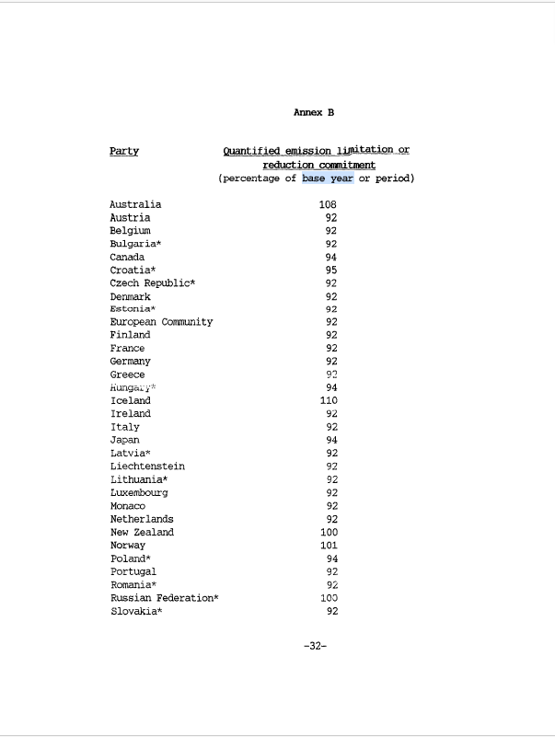
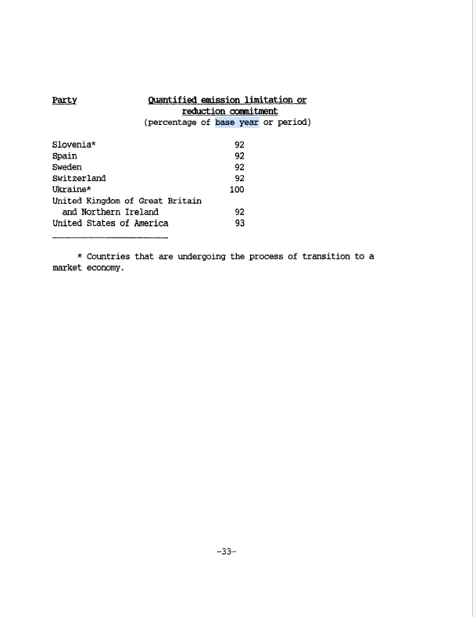
 | Total GHG emissions with LULUCF
Annex I non-EIT except US and Total | 5,606,376.53 |  | Target (2008-2012, average)
Australia | 626,253.79 | 108 | 676,354.09
Canada | 524,095.80 | 94 | 492,650.05
Iceland | 13,291.65 | 110 | 14,620.82
Japan | 1,206,061.85 | 94 | 1,133,698.14
New Zealand | 44,548.84 | 100 | 44,548.84
Norway | 40,883.89 | 101 | 41,292.73
All other Annex 1 non-EIT | 3,151,240.71 | 92 | 2,899,141.45
Effective Group target |  | 94.58 | 5,302,306.12

