Supply Duct Pressure
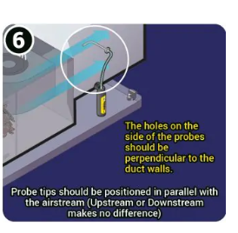
Duct Pressure Probe | Misc # of samples, averages |  | External Static Pressure -- probe in supply plenum; probe interior of filter (return); probe exterior to filter (return)
In west supply branch | 0.067 |  | Interior to the filter | single | avg | min | max
In air | 0.0002 |  | Start up 38 | 0.163
In DR Vent | 0.0065 |  | Start up 60 | 0.272
In east main branch | 0.03909 | test 013, 10 samples | Full blast 94 sample of 18 |  | 0.38949 | 0.38 | 0.39579 | test 010
In Basement ceiling grill | 0.016 |  | Full blast 94 sample of 5 more |  | 0.38873 | 0.38458 | 0.39182 | test 011 | (making sure supply probe straight)
In study return grill | -0.159 |  | Outside filter sample of 10 |  | 0.31384 | 0.30154 | 0.31836 | test 012
In gym vent | 0.0243
Kitchen vent | 0.135 |  | Interior to the filter | Count | avg | min | max
 |  |  | Start up 38 | 11 | 0.16984 | 0.16653 | 0.17146 | test 20
 |  |  | Start up 60 | 5 | 0.2683 | 0.26543 | 0.27203 | test 21
 |  |  | Full Blast 95 | 10 | 0.39199 | 0.38569 | 0.39754 | test 22
 |  |  | JUST THE SUPPLY | 5 | 0.16886 | 0.15762 | 0.17501 | test 23
 |  |  | JUST THE RETURN | 4 | 0.22057 | 0.2179 | 0.22338 | test 24
https://www.energystar.gov/sites/default/files/specs/National%20Comfort%20Institute%20-%20Measure%20and%20Interpret%20Static%20Pressures.pdf

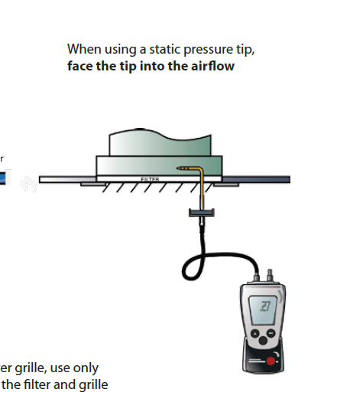
 |  |  | So pressure downgrade at 38 |  | 0.43327635909 | 0.65823731214
 |  |  | pressure downgrade at 60 |  | 0.68445623613 | 0.82731870288

https://hvacrschool.com/total-external-static-pressure-tesp-a-basic-review/

Daikin Manual
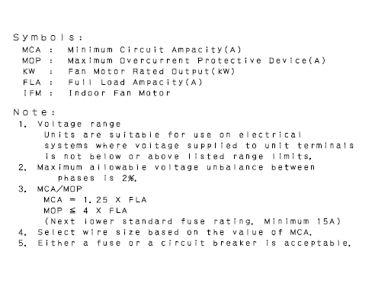
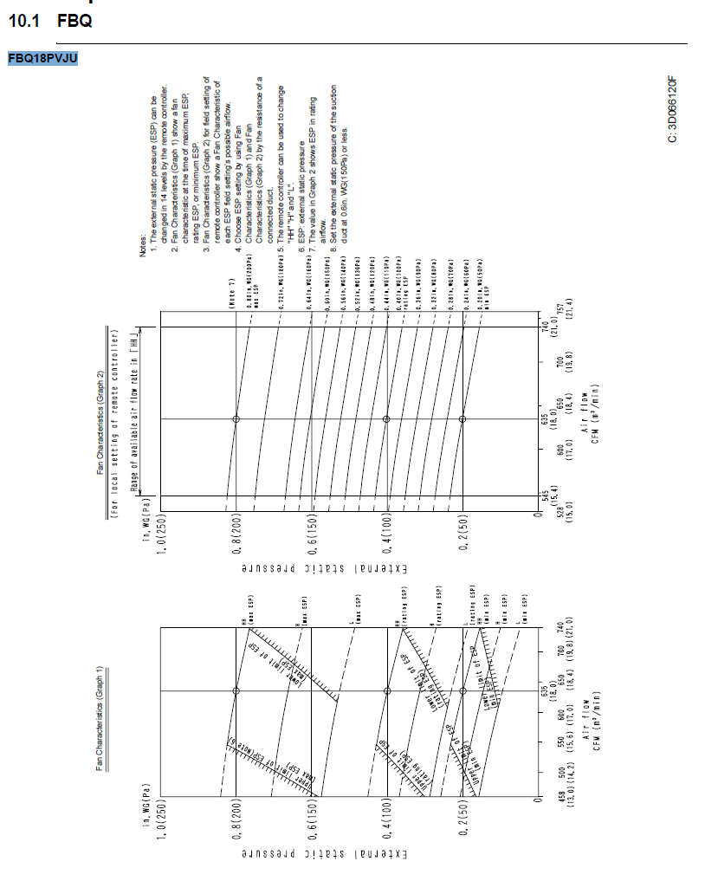
https://www.daikinac.com/content/assets/DOC/EngineeringManuals/2017/Engineering%20Manual-SkyAir-web.pdf
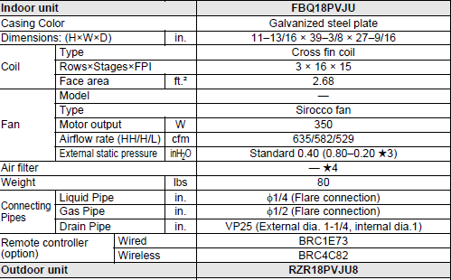

Motor appears to be set to generate .4"H20 -- this is consistent with observed flow, but does not absolutely prove flow
It all roughly fits -- pressure and wattage and observed CFM -- with the standard setting
What if was not initially calibrated and was set at too high voltage? (
Suppose true pressure for 635 CFM was .2" and our flow measurements are just completely off
 | Running at .4" in a .2" system would generate flows 1.414x as high as rated or approximately 900CFM
 | Fan power for a set of systems with same flow at each different pressure will be proportional to pressure
 |  | So fan power setting in the 2" for 635CFM system is roughly 50 watts subject to fan and motor efficiency curves (since max power may be 200 watts
 |  | Running that system at 4" pressure would increase both flow and pressure, leading to a fan load of 50 x 2 x 1.414 -- 141 watts
All of this counterfactual reasoning is speculative as to motor power consumption at different levels. The edge errors are not plausible, but more modest installation errors (.3" or .5") cannot be ruled out, but we have no reason to believe any error.

Fan and motor efficiency
Electric power to flow relationships are heavily subject to efficiency as well as duct pressure
Bottom line is that since fan and motor efficiency are unknown and can be << 1, can't make any inferences from power to cfm.
Air handleroperating at watts | 94 |  |  |  |  |  | 3.1622776602 | 5.4772255751 | 4.3197516176
Watts are power unit, 1 joule per second
Joule = 1 newton meter
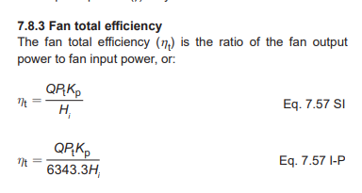
Power in newton-meter/second | 94
divided by pressure in newtons per meter^2 | 100.1337378 | 0.402 | inches of water column |  |  | 249.0889 | pascals (n/m2) per inch of water
equals meter^3/sec | 0.9387445437
cfm | 1987.559814
Motor efficiency and phase AND FAN EFFICIENCY (for example) | 30% |  |  |  |  |  |  |  |  | 286
ESTIMATED CFM | 596.26794421
https://www.amca.org/assets/resources/public/pdf/Education%20Modules/AMCA%20210-16.pdf

The problem with the discussion above is that pressure measurements may not really correlate with true fan metrics
Total pressure is a point number versus atmosphere (static plus velocity)
Total fan pressure is the difference of these across the fan inlet to outlet. But the measurement plane is not that in our measurements
Probably have correct static at inlet, not sure about outlet.
My measurements are accurate as to the External Static Pressure of the air handler, but not necessarily the fan per se.
So, they are valid as to the settings of air handler and its relationship to CFM, but not necessarily accurate as to the fan static efficiency.
Would have an even harder time knowing the fan total efficiency since all velocity measurements would be highly turbulent
BUT, the example numbers below as to fan static and total efficiency (when combined with motor efficiency numbers) give plausibility to the low efficiency numbers in the math above
 | CFM | Pressure | Factor | BHP | Static Efficiency=(CFM×p)/(6343×BHP) | Reported total efficiency
9x 4 fan from catalog https://oslo.daikinapplied.com/api/sharepoint/getdocument/Doc100/560-1.pdf/ | 900 | 0.5 | 6343 | 0.5 | 0.1418886962
Our case -- high because not using BHP, using motor pressure | 600 | 0.4 | 6343 | 0.12617449664 | 0.29987823736
Big fan in https://content.greenheck.com/public/DAMProd/Original/10002/CS104-13_FEG.pdf | 40000 | 0.13 | 6343 | 6.91 | 0.11863984889 | 66%
This is a fan manufacturer | 40000 | 0.13 | 6343 | 5.81 | 0.14110178241 | 54%
Smaller radius fans -- peak total efficiency |  |  |  |  |  | <40%
Study of Sirocco fans -- total efficiency, figure 3 peak total efficiency values |  |  |  |  |  | 50% to 60%
https://downloads.hindawi.com/journals/ijrm/2001/512930.pdf?_gl=1*el7b5t*_ga*OTA0NjUyMDE2LjE3MDczMTA3MDE.*_ga_NF5QFMJT5V*MTcwNzMxMDcwMS4xLjAuMTcwNzMxMDcwNy41NC4wLjA.&_ga=2.79552788.1066158091.1707310701-904652016.1707310701
FEG Explanation
https://www.amca.org/assets/resources/public/userfiles/file/Nospreads_FanEfficGrades.pdf |  |  |  |  |  | 40 to 83%
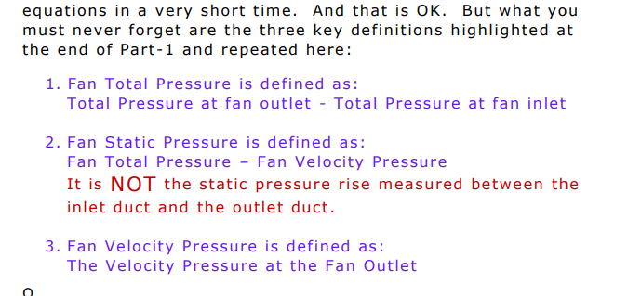
The guiding document is Laboratory Methods of Testing Fans for Certified Aerodynamic Performance Rating
https://www.amca.org/assets/resources/public/pdf/Education%20Modules/AMCA%20210-16.pdf
Mandatory explanation:
https://matxansari.files.wordpress.com/2013/11/20140715-curious-definition-fsp-1.pdf
https://matxansari.files.wordpress.com/2013/11/20131102-curious-definition-fsp-2.pdf
https://matxansari.files.wordpress.com/2013/11/20131102-curious-definition-fsp-3.pdf
See also:
https://www.amca.org/assets/resources/public/userfiles/file/cermak_AMCA_web.pdf
Further Small motors may have efficiencies well below 80%, especially at low load
https://www.engineeringtoolbox.com/electrical-motor-efficiency-d_655.html | 78.8% for 1ph
https://www.tytorobotics.com/blogs/articles/what-is-the-average-efficiency-of-an-electric-motor | 85% for 5 to 10kg motors (max)
Efficiencies decline with load
https://www.energy.gov/eere/amo/articles/determining-electric-motor-load-and-efficiency |  |  |  |  | FAN STATIC EFFICIENCY IS BASED ON FAN TOTAL EFFICIENCY AND RATIO OF FSP TO FTP
 |  |  |  |  | -- EFFICIENCY IS ALWAYS SYSTEM DEPENDENT; RATINGS ARE FOR COMPARISON
 |  |  |  |  | -- FAN STATIC PRESSURE DOES NOT MULTIPLY THROUGH TO A POWER CONCEPT
 |  |  |  |  | -- ONLY TOTAL PRESSURE MULTIPLIES THROUGH TO TOTAL OUTPUT POWER
 |  |  |  |  | -- EXTERNAL STATIC PRESSURE OF AN AIR HANDLER COULD PROXY FOR FAN STATIC PRESSURE IN DUCT SIZING
 |  |  |  |  | -- -- -- BUT IT DOES NOT TRANSLATE INTO TOTAL POWER FROM THE MOTOR BECAUSE OF COIL POWER LOSS
 |  |  |  |  | -- -- -- -- EVEN IF INPUT VELOCITY = OUTPUT VELOCITY

The 94 watts power number we have is electric input. We have several efficiency variables after that:
electric to motor shaft power – small motor running at < 1/3 of max wattage, easily 60% efficiency
motor shaft to fan – probably not much loss
fan to air – easily 50% additional losses for small fans, probably especially at low load

Wow. The big lesson for the day. Thank you again.

I am believing that the following relationship should hold in international units (approximating with incompressible flow) :

W = Q * P / E or, alternatively, W / P ​ * E = Q

Where:

W = Watts on the input electric power meter – newton-meter/sec
Q = cubic meters/sec flow
P = fan total pressure in pascals, newton-meter per meter-squared area
E = dimensionless factor (<1) adjusting for inefficiency of fan, drive, motor, etc. combined.

Fan total pressure is measured as the difference between static pressure upstream and downstream from the fan.

My pressure measurement is an external static pressure measurement for the whole unit – downstream from the filter on the return side and downstream from the coil on the supply side, so pressure loss across the coil is an adjustment to make for a fan only.

I get the following measurements of static pressure:

.39 inWG External Static Pressure as defined above,
.17 inWG vs. atmosphere on the supply side plenum
.22 inWG vs. atmosphere on the return side inside the filter just before the fan

I'm guessing that for a fan alone without a coil, the negative pressure before equals the positive pressure after. So, I'm guessing that the coil costs 0.05 inWG in pressure drop and the true fan total pressure difference is .17 +.05+ .22 = .44inWG.

I have measurements of power consistently around 94 watts.

Using the following values in the above equation

W = 94 watts
P = .4 inches WG or 100 pascal (rounding)
E = 60% – just an assumption.

So, flow in cubic meters/sec should be .94 * E which translates into 1987 CFM *60% or 1192 CFM. [1 cubic meter / second = 2 118.88 cubic feet per minute]

The rated flow on high-high (which is our setting) for the Daikin FBQ18PVJU is only 635 CFM and my duct traverses in relatively good spots come up with 593CFM with the hotwire and 545CFM with the Pitot Tube. My balometer measurements are above and below those levels, but both manuals warn to calibrate with a traverse, so I think of the balometers as great for relative flow, but with our funky little low-flow diffusers they do not give convincing absolute flow. The proportions accounted for by each duct do remain consistent across almost all measurements.

I've pasted a page from the Daikin manual below. Our model is FBQ18PVJU.

The Daikin fan is adjustable to produce External Static Pressures ranging across fourteen stops from 50 pascal to 200 pascal. At installation, there is a process to cause it to configure itself to the right level. Even if that was not done, the default rated level is 635 cfm at 100 pascals, which is right about where we are. The 94 watts makes sense because the fan can support ukp to 200 pascals at that flow which would be a duct system requiring roughly double the power or 200 watts, which is getting up towards the stated 286 watt motor capacity at full load ampacity of 1.3 (rated 350 watts). So, I don't think we are misstating the electric power much either up or down.

I also don't see how we could be mismeasuring the pressure in a way that would lead to a much higher value for pressure (which is what we need to bring down the CFM estimate in the equation). I can imagine taking smaller partial pressure values but none of them make sense and would only exacerbate the inconsistency.

So, I'm pretty sure we are in the 600 cfm ballpark. But I don't get what's wrong with the math above which gives a very different result.

