Impact Evals
https://fileservice.eea.comacloud.net/FileService.Api/file/FileRoom/15035944
Sample Benefit Cost analysis
 | Claims | MMBtu/Year
 | Air Sealing Gas, SF | 2.8
 | Insulation, Gas, SF | 14.1
 | Air Sealing Oil, SF | 3.1
 | Insulation Oil, SF | 13.8
 | Air Sealing Gas, Attached Low Rise | 1.29
 | Insulation, Gas, Attached Low Rise | 19.82
 | Air Sealing Oil, Attached Low Rise | 1.85
 | Insulation Oil, Attached Low Rise | 14.97

https://ma-eeac.org/wp-content/uploads/MA19R16-B-EO_-Energy-Optimization-Measures-and-Assumptions-Update-Model-2020-03-11-1.xlsx
Energy Optimization and Assumptions Model
 | Implies Calculated Savings from Res 34
 | Furnace Heating Load | Pre-weatherization | 77.2 | MMBtu/year | Home Energy Services (HES) Impact Evaluation (RES 34) Engineering Algorithm Workbook Heating Load Calculated based on Annual Consumption
 | Boiler Heating Load | Pre-weatherization | 77.2 | MMBtu/year | Home Energy Services (HES) Impact Evaluation (RES 34) Engineering Algorithm Workbook Heating Load Calculated based on Annual Consumption
 | Furnace Heating Load | Post-weatherization | 67.1 | MMBtu/year | Pre-weatherization minus RES 34 calculated savings
 | Boiler Heating Load | Post-weatherization | 67.1 | MMBtu/year | Pre-weatherization minus RES 34 calculated savings

https://ma-eeac.org/wp-content/uploads/MA-RES-39-HES-RR-Assessment-Executive-Summary_FINALwES_19MAR2020.pdf
Realization Rate Assessment -- Actual Averages |  | DMST | OPtix
 | Pre | 1082 | 1171
 | Post | 986 | 1085
 | Change Therms | 96 | 86
 | "Models over predict energy consumption in older homes"
 | "Rebound effect is not a meaningful contributor to the realization rate disparity"
 | These seem to be for weatherization overall, multiple measures
 | Natural Gas weatherization participants

https://ma-eeac.org/wp-content/uploads/RES34_HES-Impact-Evaluation-Report-with-ES_FINAL_29AUG2018.pdf
Home Energy Services Impact Evaluation (Res 34)
 | Savings of 130 Therms per year state wide for air sealing and insulation in natural gas heated homes.
 | Previous evaluation in 2012 was 139 therms/year
 | The Home Energy Services (HES) initiative is the primary mechanism through which the Massachusetts Program Administrators (PAs) deliver energy efficiency to residential customers living in 1- to 4-unit homes.
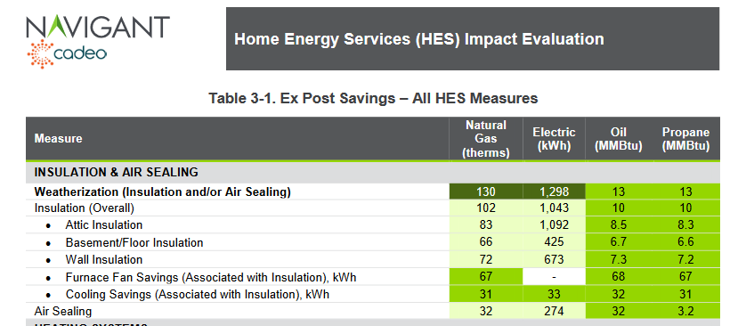

 | To provide the PAs with the air sealing and insulation-type-specific savings shown Table 3-1, the team used the building simulation analysis to disaggregate the billing analysis-based weatherization estimate into these constituent parts.

2012 Home Energy Services Impact Evaluation REport
https://ma-eeac.org/wp-content/uploads/Home-Energy-Services-Impact-Evaluation-Report_Part-of-the-Massachusetts-2011-Residential-Retrofit-and-Low-Income-Program-Area-Evaluation.pdf
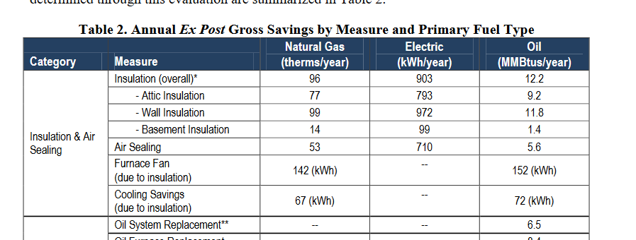

 | Table 14 Shows savings of 9% on usage of 1,112 Overal for insulation. 4% for Air Sealing. (Weather normalized.)
 |  | 0.11136890951

2012 HES Impact Memo
https://ma-eeac.org/wp-content/uploads/Home-Energy-Services-Realization-Rate-Results-Memo-6-28-12.pdf
 | Ex Post Commonwealthj Wide Savings |  | 139 | 1195 | 11.60%
 | Savings vs Normalized Average Consumption (therms)

Links to: | https://ma-eeac.org/wp-content/uploads/MA23X09-B-RCPS-Final-2021-Results-Brief.pdf
https://insight.dnv.com/MACustomerProfile/entity/Public/report/Ma-Customer-Profile-Study?bookmarkId=Bookmarka751bd4ddba4e0358b21
 |  | All Programs -- Classes/Tracks |  |  |  | Residential Existing Buildings ONly
 |  | Envelope | Hot water | HVAC | All | Envelope
 | Gas Participants 2021 | 31,600 | 38,700 | 70,500 | 118,100 | 28,500
 | Gas Savings 2021 | 7,296,705 | 1,470,637 | 6,834,253 | 16,386,443 | 6,130,627
 | Therms | 230.90838608 | 38.000956072 | 96.939758865 | 138.75057578 | 215.1097193
 |  | high . . . why?
 | Elec Participants 2021 | 22,900 |  |  | 208,300
 | Elec Savings 2021 | 16,091,774 |  |  | 439,626,837
 | kwh | 702.69755459 |  |  | 2110.546505
 |  | low . . . b/c savings are oil? This is just fan savings?
 | Population Consumption 2021 | This report | SEDS
 |  | 136.970 TeraBTU | 126.5
 |  | 17.845 TWH | 20.3

 | https://insight.dnv.com/MACustomerProfile/entity/Public/report/Ma-Customer-Profile-Study?bookmarkId=Bookmark9b8a69b1eaa8007993c0
 | See a higher project count -- different from accounts or locations

From Katherine PetersEversourse -- 5 MMBTU?

 | 2020 Plan Year Report Fuel : Electric; PA : All PAs; Year : 2020

 | *Data on the Measure Details tab will not match data on the Performance Details tab because the measure level data does not include all possible measures/values (e.g., carryover, measures with no BCR ID) that are captured in the data included in Performance Details.

 | Category | Reporting Period | Sector | Program | Initiative | Measure | Quantity | Incentive ($) | Annual Electric Savings (MWh) | Lifetime Electric Savings (MWh) | Annual Gas Savings (Therms) | Lifetime Gas Savings (Therms) | Total Benefits ($)
 | Electric | Actual | Residential | Residential Existing Buildings | Residential Coordinated Delivery | Insulation, Central AC in Electrically-Heated Unit (Attached Low Rise) | 1 | $671 | 0 | 3 | - | - | $876
 | Electric | Actual | Residential | Residential Existing Buildings | Residential Coordinated Delivery | Insulation, Electric (Attached Low Rise) | 429 | $862,786 | 908 | 22,700 | - | - | $1,596,780
 | Electric | Actual | Residential | Residential Existing Buildings | Residential Coordinated Delivery | Insulation, Electric (Single Family) | 1,408 | $2,984,496 | 2,468 | 61,688 | - | - | $4,848,236 | Therms/year/project
 | Electric | Actual | Residential | Residential Existing Buildings | Residential Coordinated Delivery | Insulation, Gas (Attached Low Rise) | 14 | $23,899 | 1 | 25 | 840 | 20,990 | $11,100 |  | 59.97271429
 | Electric | Actual | Residential | Residential Existing Buildings | Residential Coordinated Delivery | Insulation, Gas (Single Family) | 1,762 | $3,231,319 | 1 | 19 | 112,000 | 2,799,998 | $6,248,608 |  | 63.56409875
 | Electric | Actual | Residential | Residential Existing Buildings | Residential Coordinated Delivery | Insulation, Oil (Attached Low Rise) | 863 | $2,250,074 | 80 | 1,992 | - | - | $4,944,434
 | Electric | Actual | Residential | Residential Existing Buildings | Residential Coordinated Delivery | Insulation, Oil (Single Family) | 10,228 | $26,208,869 | 919 | 22,978 | - | - | $47,661,888
 | Electric | Actual | Residential | Residential Existing Buildings | Residential Coordinated Delivery | Insulation, Other (Attached Low Rise) | 45 | $85,770 | 23 | 570 | - | - | $44,939
 | Electric | Actual | Residential | Residential Existing Buildings | Residential Coordinated Delivery | Insulation, Other (Single Family) | 1,059 | $2,317,106 | 82 | 2,053 | - | - | $5,352,106
 |  |  |  |  |  |  | 15,809

 | Electric | Actual | Residential | Residential Existing Buildings | Residential Coordinated Delivery | Insulation, Electric (High Rise) | 1,138 | $239,458 | 416 | 10,411 | - | - | $183,695
 | Electric | Actual | Residential | Residential Existing Buildings | Residential Coordinated Delivery | Insulation, Oil (High Rise) | 81 | $45,651 | 13 | 332 | - | - | $47,731
 |  |  |  |  |  |  | 1,219

