Impact Evals
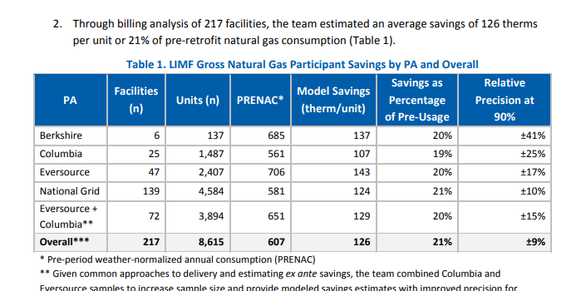
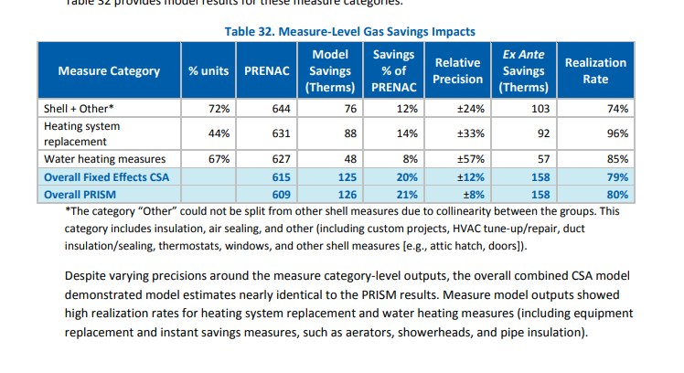
https://fileservice.eea.comacloud.net/FileService.Api/file/FileRoom/15035944
Sample Benefit Cost analysis -- denominators not stated
 | Claims | MMBtu/Year
 | Air Sealing Gas, SF | 2.8
 | Insulation, Gas, SF | 14.1
 | Air Sealing Oil, SF | 3.1
 | Insulation Oil, SF | 13.8
 | Air Sealing Gas, Attached Low Rise | 1.29
 | Insulation, Gas, Attached Low Rise | 19.82
 | Air Sealing Oil, Attached Low Rise | 1.85
 | Insulation Oil, Attached Low Rise | 14.97

https://ma-eeac.org/wp-content/uploads/MA19R16-B-EO_-Energy-Optimization-Measures-and-Assumptions-Update-Model-2020-03-11-1.xlsx
Energy Optimization and Assumptions Model
 | Implies Calculated Savings from Res 34
 | Furnace Heating Load | Pre-weatherization | 77.2 | MMBtu/year | Home Energy Services (HES) Impact Evaluation (RES 34) Engineering Algorithm Workbook Heating Load Calculated based on Annual Consumption
 | Boiler Heating Load | Pre-weatherization | 77.2 | MMBtu/year | Home Energy Services (HES) Impact Evaluation (RES 34) Engineering Algorithm Workbook Heating Load Calculated based on Annual Consumption
 | Furnace Heating Load | Post-weatherization | 67.1 | MMBtu/year | Pre-weatherization minus RES 34 calculated savings
 | Boiler Heating Load | Post-weatherization | 67.1 | MMBtu/year | Pre-weatherization minus RES 34 calculated savings
 | % Change |  | 13.1%
 | NOTE: SAME NUMBERS IN MA19CO4-E-EO - MA Energy Optimization Model_2021-03-08 supplied by ever sources

https://ma-eeac.org/wp-content/uploads/MA-RES-39-HES-RR-Assessment-Executive-Summary_FINALwES_19MAR2020.pdf
 |  | Gas | Gas | Electric | Electric
Realization Rate Assessment -- Actual Averages |  | DMST | OPtix | DMST | OPtix
 | N | 1662 | 1444 | 349 | 164
 | Pre | 1082 | 1171 | 13477 | 14247
 | Post | 986 | 1085 | 12631 | 12626
 | Change Therms | 96 | 86 | 846 | 1621
 |  | 9% | 7% | 6% | 11%
 |  |  | 8.2% |  | 7.9%
 | "Models over predict energy consumption in older homes"
 | "Rebound effect is not a meaningful contributor to the realization rate disparity"
 | These seem to be for weatherization overall, multiple measures
 | Natural Gas weatherization participants

https://ma-eeac.org/wp-content/uploads/RES34_HES-Impact-Evaluation-Report-with-ES_FINAL_29AUG2018.pdf
Home Energy Services Impact Evaluation (Res 34)
 | Savings of 130 Therms per year state wide for air sealing and insulation in natural gas heated homes.
 | Previous evaluation in 2012 was 139 therms/year
 | The Home Energy Services (HES) initiative is the primary mechanism through which the Massachusetts Program Administrators (PAs) deliver energy efficiency to residential customers living in 1- to 4-unit homes.
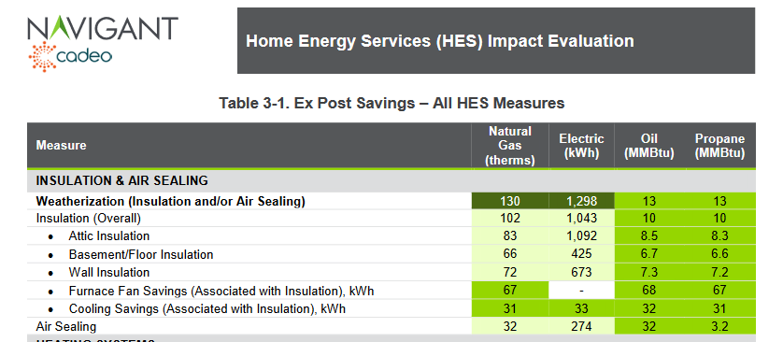

 | To provide the PAs with the air sealing and insulation-type-specific savings shown Table 3-1, the team used the building simulation analysis to disaggregate the billing analysis-based weatherization estimate into these constituent parts.

2012 Home Energy Services Impact Evaluation REport
https://ma-eeac.org/wp-content/uploads/Home-Energy-Services-Impact-Evaluation-Report_Part-of-the-Massachusetts-2011-Residential-Retrofit-and-Low-Income-Program-Area-Evaluation.pdf
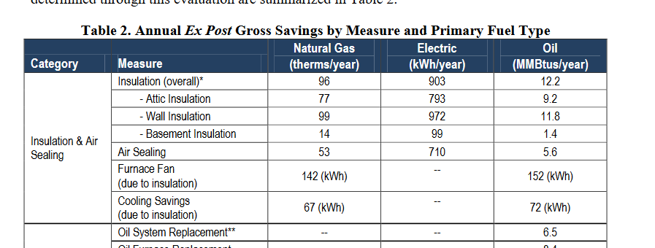

 | Table 14 Shows savings of 9% on usage of 1,112 Overal for insulation. 4% for Air Sealing. (Weather normalized.)
 |  | 0.11136890951

2012 HES Impact Memo
https://ma-eeac.org/wp-content/uploads/Home-Energy-Services-Realization-Rate-Results-Memo-6-28-12.pdf
 | Ex Post Commonwealthj Wide Savings |  | 139 | 1195 | 11.60%
 | Savings vs Normalized Average Consumption (therms)

Links to: | https://ma-eeac.org/wp-content/uploads/MA23X09-B-RCPS-Final-2021-Results-Brief.pdf
https://insight.dnv.com/MACustomerProfile/entity/Public/report/Ma-Customer-Profile-Study?bookmarkId=Bookmarka751bd4ddba4e0358b21
 |  | All Programs -- Classes/Tracks |  |  |  | Residential Existing Buildings ONly
 |  | Envelope | Hot water | HVAC | All | Envelope
 | Gas Participants 2021 | 31,600 | 38,700 | 70,500 | 118,100 | 28,500
 | Gas Savings 2021 | 7,296,705 | 1,470,637 | 6,834,253 | 16,386,443 | 6,130,627
 | Therms | 230.90838608 | 38.000956072 | 96.939758865 | 138.75057578 | 215.1097193
 |  | high . . . why?
 | Elec Participants 2021 | 22,900 |  |  | 208,300
 | Elec Savings 2021 | 16,091,774 |  |  | 439,626,837
 | kwh | 702.69755459 |  |  | 2110.546505
 |  | low . . . b/c savings are oil? This is just fan savings?
 | Population Consumption 2021 | This report | SEDS
 |  | 136.970 TeraBTU | 126.5
 |  | 17.845 TWH | 20.3

 | https://insight.dnv.com/MACustomerProfile/entity/Public/report/Ma-Customer-Profile-Study?bookmarkId=Bookmark9b8a69b1eaa8007993c0
 | See a higher project count -- different from accounts or locations

From Katherine PetersEversourse -- 5 MMBTU?

 | 2020 Plan Year Report Fuel : Electric; PA : All PAs; Year : 2020

 | *Data on the Measure Details tab will not match data on the Performance Details tab because the measure level data does not include all possible measures/values (e.g., carryover, measures with no BCR ID) that are captured in the data included in Performance Details.

 | Category | Reporting Period | Sector | Program | Initiative | Measure | Quantity | Incentive ($) | Annual Electric Savings (MWh) | Lifetime Electric Savings (MWh) | Annual Gas Savings (Therms) | Lifetime Gas Savings (Therms) | Total Benefits ($)
 | Electric | Actual | Residential | Residential Existing Buildings | Residential Coordinated Delivery | Insulation, Central AC in Electrically-Heated Unit (Attached Low Rise) | 1 | $671 | 0 | 3 | - | - | $876
 | Electric | Actual | Residential | Residential Existing Buildings | Residential Coordinated Delivery | Insulation, Electric (Attached Low Rise) | 429 | $862,786 | 908 | 22,700 | - | - | $1,596,780
 | Electric | Actual | Residential | Residential Existing Buildings | Residential Coordinated Delivery | Insulation, Electric (Single Family) | 1,408 | $2,984,496 | 2,468 | 61,688 | - | - | $4,848,236 | Therms/year/project
 | Electric | Actual | Residential | Residential Existing Buildings | Residential Coordinated Delivery | Insulation, Gas (Attached Low Rise) | 14 | $23,899 | 1 | 25 | 840 | 20,990 | $11,100 |  | 59.97271429
 | Electric | Actual | Residential | Residential Existing Buildings | Residential Coordinated Delivery | Insulation, Gas (Single Family) | 1,762 | $3,231,319 | 1 | 19 | 112,000 | 2,799,998 | $6,248,608 |  | 63.56409875
 | Electric | Actual | Residential | Residential Existing Buildings | Residential Coordinated Delivery | Insulation, Oil (Attached Low Rise) | 863 | $2,250,074 | 80 | 1,992 | - | - | $4,944,434
 | Electric | Actual | Residential | Residential Existing Buildings | Residential Coordinated Delivery | Insulation, Oil (Single Family) | 10,228 | $26,208,869 | 919 | 22,978 | - | - | $47,661,888
 | Electric | Actual | Residential | Residential Existing Buildings | Residential Coordinated Delivery | Insulation, Other (Attached Low Rise) | 45 | $85,770 | 23 | 570 | - | - | $44,939
 | Electric | Actual | Residential | Residential Existing Buildings | Residential Coordinated Delivery | Insulation, Other (Single Family) | 1,059 | $2,317,106 | 82 | 2,053 | - | - | $5,352,106
 |  |  |  |  |  |  | 15,809

 | Electric | Actual | Residential | Residential Existing Buildings | Residential Coordinated Delivery | Insulation, Electric (High Rise) | 1,138 | $239,458 | 416 | 10,411 | - | - | $183,695
 | Electric | Actual | Residential | Residential Existing Buildings | Residential Coordinated Delivery | Insulation, Oil (High Rise) | 81 | $45,651 | 13 | 332 | - | - | $47,731
 |  |  |  |  |  |  | 1,219

https://ma-eeac.org/wp-content/uploads/Low-Income-Multifamily-Impact-Evaluation-1.pdf
 | Multiple measures, not just weatherization
 | All together 21%

HEA results
No recommendations | 30% | From Mass Save PA reports
Recommendations not implemented | 35%
Recommendations implemented | 35%

Mass Save Audit Results
State Gas and Electric
From KPI 1 Mass Save Quarterly KPI reports (showing only quarters with full year of follow up): https://ma-eeac.org/results-reporting/quarterly-reports/
Audit Type | Measures | Unique HEA Count | # of Recommendations | # of Conversions (Incremental) |  |  |  |  | Total # of Conversions (Cumulative) | Conversion Rate
 |  | 2021 Q1 | 2021 Q1 | 2021 Q1 | 2021 Q2 | 2021 Q3 | 2021 Q4 | 2022 Q1 | 2021 Q1-2022 Q1
Virtual | Insulation | - | 6,863 | 271 | 622 | 358 | 348 | 85 | 1,684 | 25% | 25%
 | Air Sealing | - | 6,110 | 250 | 529 | 301 | 313 | 78 | 1,471 | 24% | 24%
 | Duct Sealing | - | 440 | 21 | 29 | 16 | 21 | 5 | 92 | 21% | 21%
 | Duct Insulation | - | 33 | - | 1 | - | 1 | - | 2 | 6% | 6%
 | Total | 10,238 | 13,446 | 542 | 1,181 | 675 | 683 | 168 | 3,249 | 24% | 24%
In-Person | Insulation | - | 11,344 | 1,294 | 3,550 | 1,497 | 457 | 111 | 6,909 | 61% | 61%
 | Air Sealing | - | 10,357 | 1,294 | 3,427 | 1,429 | 432 | 104 | 6,686 | 65% | 65%
 | Duct Sealing | - | 1,005 | 128 | 304 | 136 | 22 | 4 | 594 | 59% | 59%
 | Duct Insulation | - | 148 | 12 | 39 | 26 | 1 | - | 78 | 53% | 53%
 | Total | 17,215 | 22,854 | 2,728 | 7,320 | 3,088 | 912 | 219 | 14,267 | 62% | 62%
 |  | 2021 Q2 | 2021 Q2 | 2021 Q2 | 2021 Q3 | 2021 Q4 | 2022 Q1 | 2022 Q2 | 2021 Q2-2022 Q2
Virtual | Insulation | - | 4,098 | 153 | 316 | 392 | 96 | 73 | 1,030 | 25% | 25%
 | Air Sealing | - | 3,666 | 129 | 279 | 365 | 91 | 71 | 935 | 26% | 26%
 | Duct Sealing | - | 246 | 5 | 14 | 14 | 10 | 4 | 47 | 19% | 19%
 | Duct Insulation | - | 23 | - | 3 | 4 | 3 | - | 10 | 43% | 43%
 | Total | 6,828 | 8,033 | 287 | 612 | 775 | 200 | 148 | 2,022 | 25% | 25%
In-Person | Insulation | - | 12,101 | 1,555 | 3,009 | 1,258 | 182 | 177 | 6,181 | 51% | 51%
 | Air Sealing | - | 12,024 | 1,536 | 2,906 | 1,165 | 164 | 165 | 5,936 | 49% | 49%
 | Duct Sealing | - | 1,192 | 182 | 312 | 118 | 16 | 12 | 640 | 54% | 54%
 | Duct Insulation | - | 146 | 12 | 40 | 16 | 3 | 1 | 72 | 49% | 49%
 | Total | 16,472 | 25,463 | 3,285 | 6,267 | 2,557 | 365 | 355 | 12,829 | 50% | 50%
 |  | 2021 Q3 | 2021 Q3 | 2021 Q3 | 2021 Q4 | 2022 Q1 | 2022 Q2 | 2022 Q3 | 2021 Q3-2022 Q3
Virtual | Insulation | - | 1,657 | 76 | 555 | 89 | 68 | 29 | 817 | 49% | 49%
 | Air Sealing | - | 1,461 | 68 | 526 | 81 | 62 | 27 | 764 | 52% | 52%
 | Duct Sealing | - | 120 | 6 | 29 | 6 | 5 | 2 | 48 | 40% | 40%
 | Duct Insulation | - | 15 | - | 5 | 1 | 1 | - | 7 | 47% | 47%
 | Total | 2,814 | 3,253 | 150 | 1,115 | 177 | 136 | 58 | 1,636 | 50% | 50%
In-Person | Insulation | - | 12,621 | 1,898 | 3,471 | 401 | 264 | 126 | 6,160 | 49% | 49%
 | Air Sealing | - | 11,686 | 1,875 | 3,180 | 379 | 258 | 117 | 5,809 | 50% | 50%
 | Duct Sealing | - | 1,230 | 211 | 342 | 43 | 24 | 12 | 632 | 51% | 51%
 | Duct Insulation | - | 151 | 20 | 43 | 6 | 3 | 1 | 73 | 48% | 48%
 | Total | 18,290 | 25,688 | 4,004 | 7,036 | 829 | 549 | 256 | 12,674 | 49% | 49%
 |  | 2021 Q4 | 2021 Q4 | 2021 Q4 | 2022 Q1 | 2022 Q2 | 2022 Q3 | 2022 Q4 | 2021 Q4-2022 Q4
Virtual | Insulation | - | 2,208 | 347 | 306 | 155 | 53 | 35 | 896 | 41% | 41%
 | Air Sealing | - | 1,969 | 338 | 281 | 148 | 50 | 34 | 850 | 43% | 43%
 | Duct Sealing | - | 152 | 25 | 21 | 10 | 2 | 1 | 59 | 39% | 39%
 | Duct Insulation | - | 22 | - | 2 | 1 | - | - | 3 | 14% | 14%
 | Total | 3,616 | 4,351 | 710 | 610 | 314 | 105 | 70 | 1,809 | 42% | 42%
In-Person | Insulation | - | 15,469 | 2,875 | 1,915 | 949 | 255 | 214 | 6,208 | 40% | 40%
 | Air Sealing | - | 14,223 | 2,805 | 1,806 | 865 | 236 | 213 | 5,926 | 42% | 42%
 | Duct Sealing | - | 1,371 | 226 | 168 | 76 | 16 | 17 | 503 | 37% | 37%
 | Duct Insulation | - | 181 | 20 | 15 | 13 | 2 | 1 | 51 | 28% | 28%
 | Total | 21,622 | 31,244 | 5,926 | 3,904 | 1,903 | 507 | 443 | 12,683 | 41% | 41%
 |  | 2022 Q1 | 2022 Q1 | 2022 Q1 | 2022 Q2 | 2022 Q3 | 2022 Q4 | 2023 Q1 | 2022 Q1-2023 Q1
Virtual | Insulation | - | 2,329 | 306 | 506 | 120 | 60 | 34 | 1,026 | 44% | 44%
 | Air Sealing | - | 2,059 | 295 | 471 | 112 | 59 | 35 | 972 | 47% | 47%
 | Duct Sealing | - | 152 | 19 | 38 | 9 | 6 | - | 72 | 47% | 47%
 | Duct Insulation | - | 20 | - | 3 | - | - | - | 3 | 15% | 15%
 | Total | 3,166 | 4,560 | 620 | 1,018 | 241 | 125 | 69 | 2,073 | 45% | 45%
In-Person | Insulation | - | 14,963 | 2,505 | 3,343 | 779 | 433 | 201 | 7,261 | 49% | 49%
 | Air Sealing | - | 13,752 | 2,470 | 3,211 | 745 | 445 | 202 | 7,073 | 51% | 51%
 | Duct Sealing | - | 1,321 | 273 | 306 | 52 | 30 | 21 | 682 | 52% | 52%
 | Duct Insulation | - | 157 | 28 | 35 | 8 | 2 | 22 | 95 | 61% | 61%
 | Total | 21,030 | 30,193 | 5,276 | 6,895 | 1,584 | 910 | 446 | 15,111 | 50% | 50%
 |  | 2022 Q2 | 2022 Q2 | 2022 Q2 | 2022 Q3 | 2022 Q4 | 2023 Q1 | 2023 Q2 | 2022 Q2-2023 Q2
Virtual | Insulation | - | 950 | 183 | 189 | 172 | 23 | 11 | 578 | 61% | 61%
 | Air Sealing | - | 830 | 189 | 193 | 185 | 20 | 8 | 595 | 72% | 72%
 | Duct Sealing | - | 44 | 5 | 13 | 24 | - | 1 | 43 | 98% | 98%
 | Duct Insulation | - | 4 | - | 1 | 1 | - | - | 2 | 50% | 50%
 | Total | 1,604 | 1,800 | 377 | 396 | 382 | 43 | 20 | 1,218 | 68% | 68%
In-Person | Insulation | - | 14,602 | 2,593 | 2,959 | 3,866 | 339 | 132 | 9,889 | 68% | 68%
 | Air Sealing | - | 13,460 | 2,693 | 2,965 | 4,111 | 326 | 128 | 10,223 | 76% | 76%
 | Duct Sealing | - | 1,334 | 301 | 307 | 411 | 31 | 8 | 1,058 | 79% | 79%
 | Duct Insulation | - | 137 | 19 | 38 | 55 | 5 | 1 | 118 | 86% | 86%
 | Total | 22,006 | 29,413 | 5,606 | 6,269 | 8,443 | 699 | 269 | 21,286 | 72% | 72%
TOTAL TOTAL | Insulation | 0 | 99,205 | 14,056 | 20,741 | 10,036 | 2,578 | 1,228 | 48,639 |  | 49%
 | Air Sealing | 0 | 91,597 | 13,942 | 19,774 | 9,886 | 2,456 | 1,182 | 47,240 |  | 52%
 | Duct Sealing | 0 | 8,607 | 1,402 | 1,883 | 915 | 183 | 87 | 4,470 |  | 52%
 | Duct Insulation | 0 | 1,037 | 111 | 225 | 131 | 21 | 26 | 514 |  | 50%
 | Total | 144,901 | 200,298 | 29,511 | 42,623 | 20,968 | 5,234 | 2,521 | 100,857 |  | 50%
 |  |  | 1.3823093008

