2020 Baseline
https://ma-eeac.org/wp-content/uploads/RES-1-Residential-Baseline-Study-Ph4-Comprehensive-Report-2020-04-02.pdf

Saturation, 2019

Appendix B-4: Characterization | https://ma-eeac.org/wp-content/uploads/Appendix-B-4-MA-Statewide-Characterization-Results-2020-03-31.xlsx |  |  |  |  |  |  |  |  |  | Appendix B-2: Saturation
 | 00-79 | 80-82 | 83-85 | 86-88 | 89-91 | 92-94 | 95+ | Total | Weighted Average |  | https://ma-eeac.org/wp-content/uploads/Appendix-B-3-MA-Statewide-Saturation-Results-2020-03-31.xlsx
Assumed bin average | 75 | 81 | 84 | 87 | 90 | 93 | 96 |  |  | Sat
Furnace Natural Gas | 0.14 | 0.37 | 0.03 | 0.01 | 0.06 | 0.11 | 0.27 | 0.99 | 86 | 0.24 | 85.255708436
Boiler Natural Gas | 0.01 | 0.52 | 0.19 | 0.02 | 0.06 | 0.07 | 0.13 | 1 | 85 | 0.33
Boiler Fuel Oil | 0 | 0.2 | 0.46 | 0.33 | 0 | 0 | 0 | 0.99 | 84 | 0.17

Average AFUE of Existing Residential Heating Systems, Massachusetts 2019
Efficiency -2019 |  |  |  |  |  |  |  |  |  |  | Saturation 2019, Compare Figures 2-2
PA | Group | Bin Variable | Bin Variable Value | End Use Category | End Use | Metric | Value | Total Units in Bin | Weighted Proportion of Units in Bin With This Value |  | PA | Bin Variable 1 | Variable 1 Value | Bin Variable 2 | Variable 2 Value | End Use Category | End Use | Total Homes in Bin | Adjusted and Weighted Proportion of Homes in Bin with End Use | Adjusted and Weighted Average Quantity of End Use Across Homes in Bin
MA Statewide | Existing Equipment | All Homes | All Homes | 1. HVAC - Heating | Furnace - Natural Gas | AFUE | 00-79 | 70 | 0.14 |  | MA Statewide | All Homes | All Homes | All Homes | All Homes | 1. HVAC - Heating | Shared Central Heating | 6504 | 0.09 | 0.09
MA Statewide | Existing Equipment | All Homes | All Homes | 1. HVAC - Heating | Furnace - Natural Gas | AFUE | 80-82 | 70 | 0.37 |  | MA Statewide | All Homes | All Homes | All Homes | All Homes | 1. HVAC - Heating | Furnace - Natural Gas | 6504 | 0.24 | 0.32
MA Statewide | Existing Equipment | All Homes | All Homes | 1. HVAC - Heating | Furnace - Natural Gas | AFUE | 83-85 | 70 | 0.03 |  | MA Statewide | All Homes | All Homes | All Homes | All Homes | 1. HVAC - Heating | Furnace - Fuel Oil | 6504 | 0.04 | 0.03
MA Statewide | Existing Equipment | All Homes | All Homes | 1. HVAC - Heating | Furnace - Natural Gas | AFUE | 86-88 | 70 | 0.01 |  | MA Statewide | All Homes | All Homes | All Homes | All Homes | 1. HVAC - Heating | Furnace - Electric | 6504 | 0.02 | 0.04
MA Statewide | Existing Equipment | All Homes | All Homes | 1. HVAC - Heating | Furnace - Natural Gas | AFUE | 89-91 | 70 | 0.06 |  | MA Statewide | All Homes | All Homes | All Homes | All Homes | 1. HVAC - Heating | Furnace - Other Fuel Type | 6504 | 0.02 | 0.02
MA Statewide | Existing Equipment | All Homes | All Homes | 1. HVAC - Heating | Furnace - Natural Gas | AFUE | 92-94 | 70 | 0.11 |  | MA Statewide | All Homes | All Homes | All Homes | All Homes | 1. HVAC - Heating | Boiler - Natural Gas | 6504 | 0.33 | 0.37
MA Statewide | Existing Equipment | All Homes | All Homes | 1. HVAC - Heating | Furnace - Natural Gas | AFUE | 95+ | 70 | 0.27 |  | MA Statewide | All Homes | All Homes | All Homes | All Homes | 1. HVAC - Heating | Boiler - Fuel Oil | 6504 | 0.17 | 0.16
MA Statewide | Existing Equipment | All Homes | All Homes | 1. HVAC - Heating | Boiler - Natural Gas | AFUE | 00-79 | 89 | 0.01 |  | MA Statewide | All Homes | All Homes | All Homes | All Homes | 1. HVAC - Heating | Boiler - Other Fuel Type | 6504 | 0.02 | 0.03
MA Statewide | Existing Equipment | All Homes | All Homes | 1. HVAC - Heating | Boiler - Natural Gas | AFUE | 80-82 | 89 | 0.52 |  | MA Statewide | All Homes | All Homes | All Homes | All Homes | 1. HVAC - Heating | Electric Baseboard Heat | 6504 | 0.14 | 0.39
MA Statewide | Existing Equipment | All Homes | All Homes | 1. HVAC - Heating | Boiler - Natural Gas | AFUE | 83-85 | 89 | 0.19 |  | MA Statewide | All Homes | All Homes | All Homes | All Homes | 1. HVAC - Heating | Fireplace - Natural Gas | 6504 | 0.06 | 0.07
MA Statewide | Existing Equipment | All Homes | All Homes | 1. HVAC - Heating | Boiler - Natural Gas | AFUE | 86-88 | 89 | 0.02 |  | MA Statewide | All Homes | All Homes | All Homes | All Homes | 1. HVAC - Heating | Fireplace or Heating Stove - Other Fuel Type | 6504 | 0.11 | 0.14
MA Statewide | Existing Equipment | All Homes | All Homes | 1. HVAC - Heating | Boiler - Natural Gas | AFUE | 89-91 | 89 | 0.06 |  | MA Statewide | All Homes | All Homes | All Homes | All Homes | 1. HVAC - Heating | Other Heating System | 6504 | 0.04 | 0.06
MA Statewide | Existing Equipment | All Homes | All Homes | 1. HVAC - Heating | Boiler - Natural Gas | AFUE | 92-94 | 89 | 0.07 |  | MA Statewide | All Homes | All Homes | All Homes | All Homes | 1. HVAC - Heating | No Heating System | 6504 | 0.03 | 0.03
MA Statewide | Existing Equipment | All Homes | All Homes | 1. HVAC - Heating | Boiler - Natural Gas | AFUE | 95+ | 89 | 0.13 |  | MA Statewide | All Homes | All Homes | All Homes | All Homes | 1. HVAC - Cooling/Heating | Central Heat Pump (Ducted) | 6504 | 0.02 | 0.01
MA Statewide | Existing Equipment | All Homes | All Homes | 1. HVAC - Heating | Boiler - Fuel Oil | AFUE | 00-79 | 54 | 0 |  | MA Statewide | All Homes | All Homes | All Homes | All Homes | 1. HVAC - Cooling/Heating | Mini-Split Heat Pump (Ductless) | 6504 | 0.07 | 0.08
MA Statewide | Existing Equipment | All Homes | All Homes | 1. HVAC - Heating | Boiler - Fuel Oil | AFUE | 80-82 | 54 | 0.2 |  | MA Statewide | All Homes | All Homes | All Homes | All Homes | 1. HVAC - Cooling/Heating | Ground Source or Geothermal Heat Pump | 6504 | 0 | 0
MA Statewide | Existing Equipment | All Homes | All Homes | 1. HVAC - Heating | Boiler - Fuel Oil | AFUE | 83-85 | 54 | 0.46 |  | Replacement
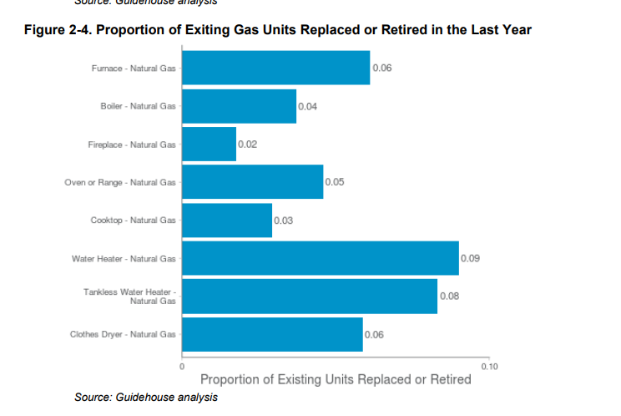
MA Statewide | Existing Equipment | All Homes | All Homes | 1. HVAC - Heating | Boiler - Fuel Oil | AFUE | 86-88 | 54 | 0.33
MA Statewide | Existing Equipment | All Homes | All Homes | 1. HVAC - Heating | Boiler - Fuel Oil | AFUE | 89-91 | 54 | 0
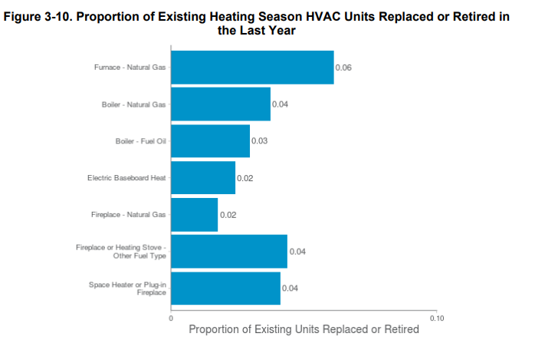
MA Statewide | Existing Equipment | All Homes | All Homes | 1. HVAC - Heating | Boiler - Fuel Oil | AFUE | 92-94 | 54 | 0
MA Statewide | Existing Equipment | All Homes | All Homes | 1. HVAC - Heating | Boiler - Fuel Oil | AFUE | 95+ | 54 | 0

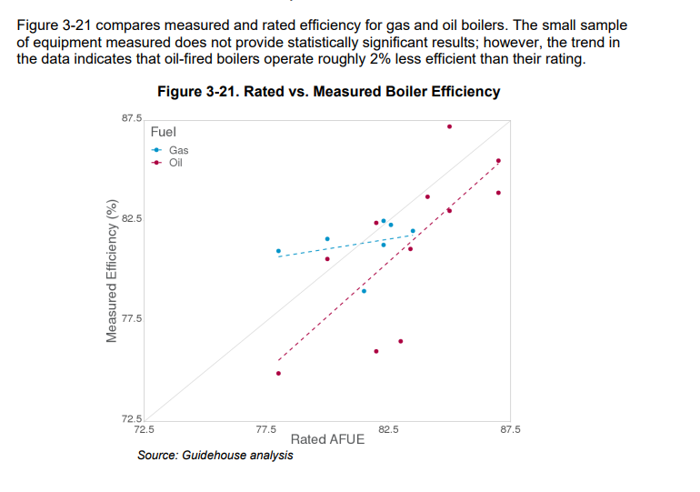
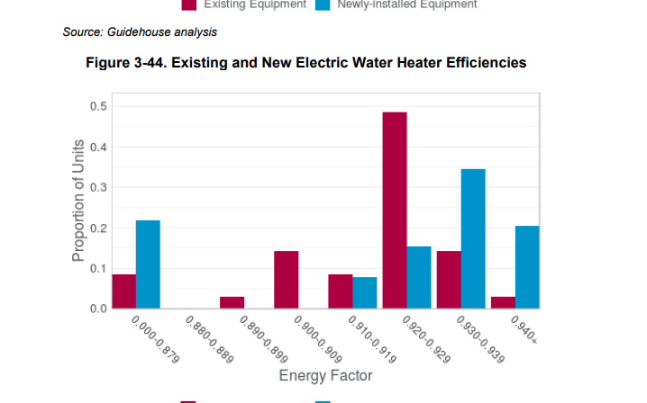

 |  |  |  |  |  |  |  |  |  |  | Water heater saturation
 |  |  |  |  |  |  |  |  |  |  |  | Bin Variable 1 | Variable 1 Value | Bin Variable 2 | Variable 2 Value | End Use Category | End Use | Total Homes in Bin | Adjusted and Weighted Proportion of Homes in Bin with End Use | Adjusted and Weighted Average Quantity of End Use Across Homes in Bin
 |  |  |  |  |  |  |  |  |  |  | MA Statewide | All Homes | All Homes | All Homes | All Homes | 3. Domestic Hot Water | Shared Central Water Heater | 6504 | 0.1 | 0.1
 |  |  |  |  |  |  |  |  |  |  | MA Statewide | All Homes | All Homes | All Homes | All Homes | 3. Domestic Hot Water | Water Heater - Electric | 6504 | 0.16 | 0.17
 |  |  |  |  |  |  |  |  |  |  | MA Statewide | All Homes | All Homes | All Homes | All Homes | 3. Domestic Hot Water | Tankless Water Heater - Electric | 6504 | 0.02 | 0.03
 |  |  |  |  |  |  |  |  |  |  | MA Statewide | All Homes | All Homes | All Homes | All Homes | 3. Domestic Hot Water | Water Heater - Heat Pump | 6504 | 0.02 | 0.02
 |  |  |  |  |  |  |  |  |  |  | MA Statewide | All Homes | All Homes | All Homes | All Homes | 3. Domestic Hot Water | Water Heater - Natural Gas | 6504 | 0.39 | 0.41
 |  |  |  |  |  |  |  |  |  |  | MA Statewide | All Homes | All Homes | All Homes | All Homes | 3. Domestic Hot Water | Tankless Water Heater - Natural Gas | 6504 | 0.03 | 0.04
 |  |  |  |  |  |  |  |  |  |  | MA Statewide | All Homes | All Homes | All Homes | All Homes | 3. Domestic Hot Water | Water Heater - Fuel Oil | 6504 | 0.01 | 0.01
 |  |  |  |  |  |  |  |  |  |  | MA Statewide | All Homes | All Homes | All Homes | All Homes | 3. Domestic Hot Water | Tankless Water Heater - Fuel Oil | 6504 | 0.03 | 0.03
 |  |  |  |  |  |  |  |  |  |  | MA Statewide | All Homes | All Homes | All Homes | All Homes | 3. Domestic Hot Water | Water Heater - Propane | 6504 | 0.01 | 0.01
 |  |  |  |  |  |  |  |  |  |  | MA Statewide | All Homes | All Homes | All Homes | All Homes | 3. Domestic Hot Water | Tankless Water Heater - Propane | 6504 | 0.01 | 0.01
 |  |  |  |  |  |  |  |  |  |  | MA Statewide | All Homes | All Homes | All Homes | All Homes | 3. Domestic Hot Water | Water Heater - Solar | 6504 | 0.01 | 0
 |  |  |  |  |  |  |  |  |  |  | MA Statewide | All Homes | All Homes | All Homes | All Homes | 3. Domestic Hot Water | Water Heater - Indirect | 6504 | 0.2 | 0.21
 |  |  |  |  |  |  |  |  |  |  | MA Statewide | All Homes | All Homes | All Homes | All Homes | 3. Domestic Hot Water | Other Water Heater | 6504 | 0.01 | 0.01
 |  |  |  |  |  |  |  |  |  |  | MA Statewide | All Homes | All Homes | All Homes | All Homes | 3. Domestic Hot Water | Hot Water Recirculation Pump | 6504 | 0.03 | 0.03
 |  |  |  |  |  |  |  |  |  |  | MA Statewide | All Homes | All Homes | All Homes | All Homes | 3. Domestic Hot Water | Showerhead | 6504 | 1 | 1.64
 |  |  |  |  |  |  |  |  |  |  | MA Statewide | All Homes | All Homes | All Homes | All Homes | 3. Domestic Hot Water | Sink Faucet | 6504 | 1 | 3.49

2022 Baseline
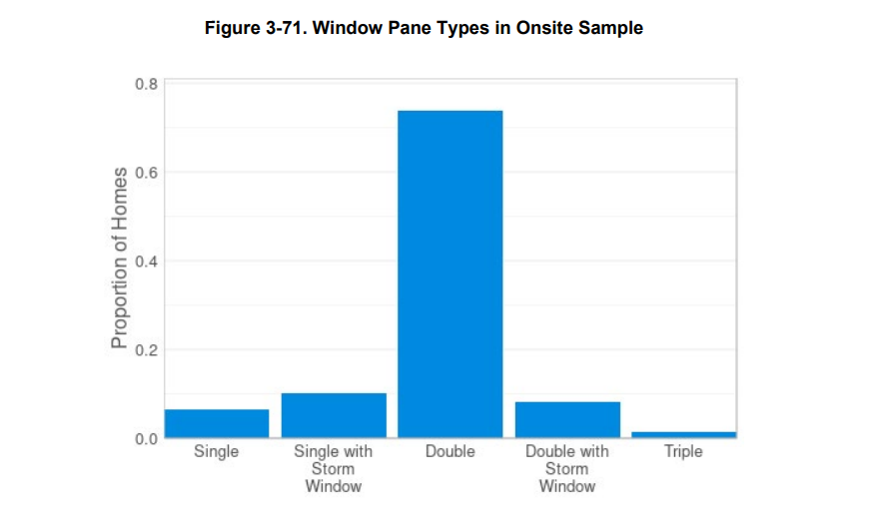
https://ma-eeac.org/wp-content/uploads/Residential-Building-Use-and-Equipment-Characterization-Study-Comprehensive-Report-2022-03-01.pdf
2022 Baseline Study
Only includes gas results for equipment efficiency | PAGE 146: | Average logged winter temperature = 67
Also have water heater efficiencies for gas and electric: Figure 3-54 | Page 148 | Space heating accounts for 81% of the annual natural gas consumption and 94% of winter peak in Massachusetts homes. T
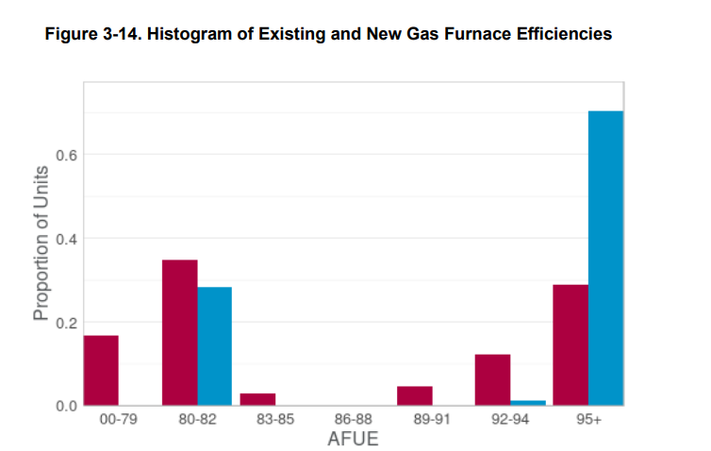
 |  | AFUE data read from figures 3-14 and 3-15
 |  | 00-79 | 80-82 | 83-85 | 86-88 | 89-91 | 92-94 | 95+ | Total | Weighted Average
 |  | 75 | 81 | 84 | 87 | 90 | 93 | 96
 | Gas Furnaces | 17 | 35 | 2 | 0 | 4 | 12 | 29 | 99 | 86.242424242
 | Gas Boilers | 1 | 49 | 23 | 2 | 4 | 6 | 14 | 99 | 84.96969697

 | Has replacement
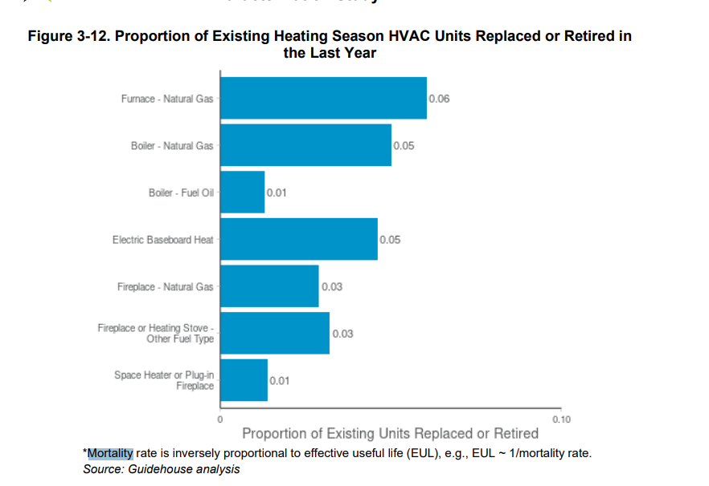

Has Window count

BSTR, Figures 15,16,18
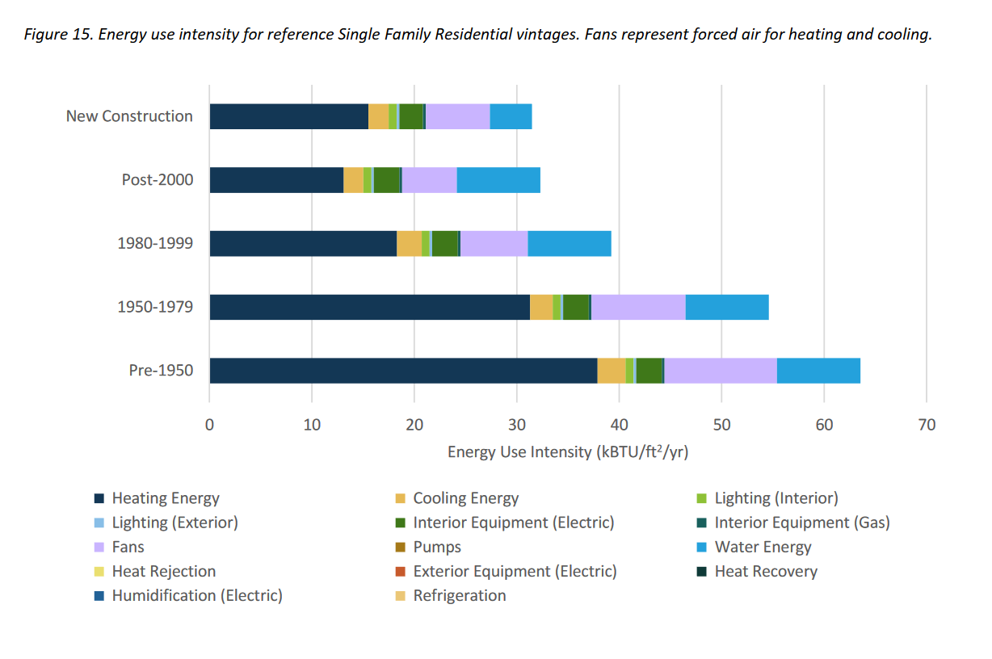
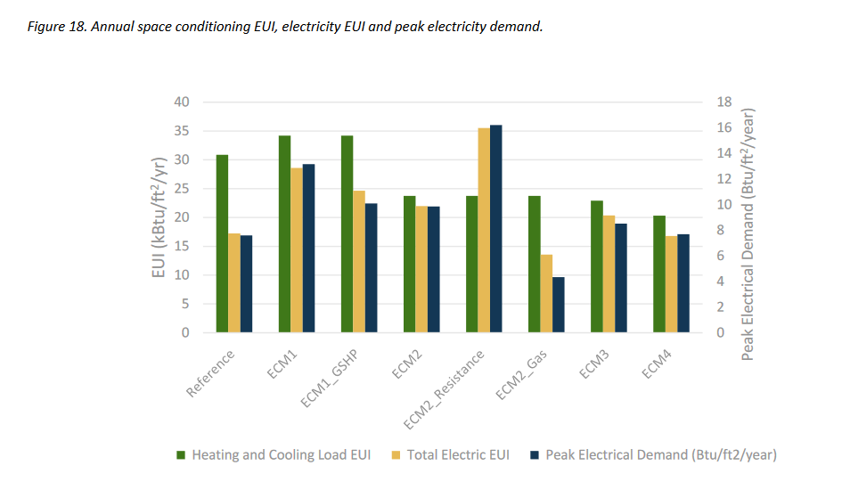
E
Estimates from Building Sector Technical Report for pre-1950 Single Family Home | EUI
Baseline (total) | 63
Baseline heating only | 38
Baseline hot water only | 8
Baseline heat and hot water, total fossil | 46
Total fossil after Mass Save package (ECM2_GAS) | 23
Implied fossil savings from Mass Save package | 50%
Implied fossil heating after Mass Save package (assume water heating not changed) | 15
Implied heating energy savings from Mass Save package | 61%

