Cover sheet
This Workbook contains the cleaned response set from the home energy survey conducted at will Brownsberger.com in late November 2022.
The data are anonymous.

Here is the questionnaire:

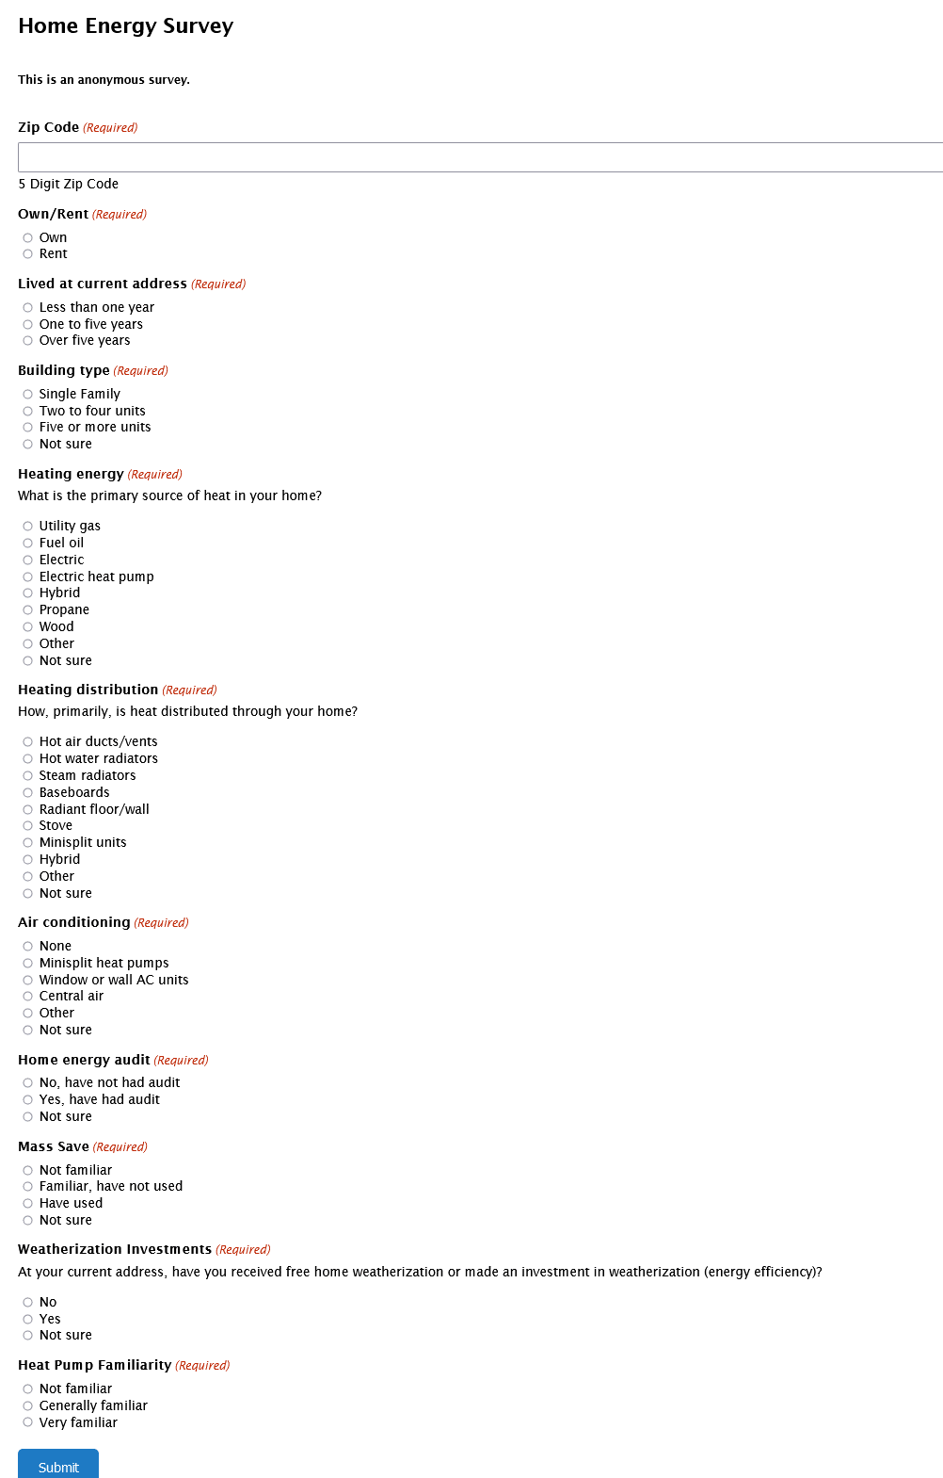

For homeowners only:

For renters only:

How much higher monthly rent would you pay to have zero carbon heat?(Required)
Zero -- I wouldn't
Up to $10
Up to $25
Up to $50
Over $50
Not sure
Please choose the option that is closest to your situation and feelings, even if it is not a perfect answer. I am just trying to get a rough sense of how willingness to go fossil free depends on expectations about heating bills.

